Summary
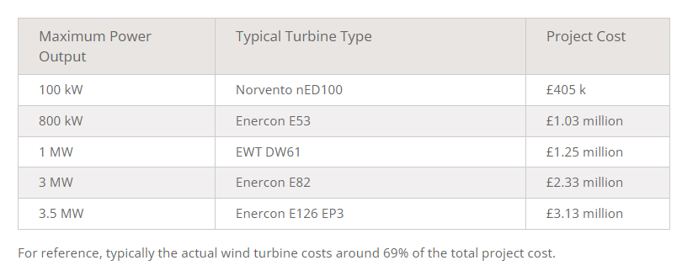
Wind Turbine Scaling
P_r | 4.50E+06 | W
v_r | 11.78312 | m/s
rho | 1.225 | kg/m^3
c_p_max | 0.44 |  | guess （Borrowed from Enercon E-112/45.114）

New rotor radius | 57.0 | m
Original rotor radius | 63 | m
Scale factor | 0.9047

Original hub radius | 1.5 | m
New hub radius | 1.36 | m

Original blade length | 61.5 | m
New blade length | 55.64 | m

Cp & Ct Curve
cp_max | 0.488923
lambda_optimal | 8.1

 | Cp | Ct
1 | 0.00526126 | 0.0789094
1.1 | 0.00597035 | 0.0817105
1.2 | 0.00672321 | 0.0846618
1.3 | 0.00752972 | 0.0877364
1.4 | 0.00843129 | 0.0909972
1.5 | 0.00954849 | 0.0945753
1.6 | 0.0110414 | 0.0986347
1.7 | 0.0130602 | 0.103329
1.8 | 0.0156988 | 0.108776
1.9 | 0.018999 | 0.115032
2 | 0.0229497 | 0.122064
2.1 | 0.0276271 | 0.129951
2.2 | 0.0331291 | 0.138724
2.3 | 0.0395623 | 0.148442
2.4 | 0.0468818 | 0.158989
2.5 | 0.0548891 | 0.170135
2.6 | 0.0635453 | 0.18178
2.7 | 0.0726293 | 0.193677
2.8 | 0.08209 | 0.205761
2.9 | 0.0918266 | 0.21795
3 | 0.101738 | 0.230165
3.1 | 0.111862 | 0.242455
3.2 | 0.122112 | 0.254756
3.3 | 0.132562 | 0.267154
3.4 | 0.143378 | 0.279848
3.5 | 0.15459 | 0.292798
3.6 | 0.166144 | 0.30595
3.7 | 0.177934 | 0.319161
3.8 | 0.189958 | 0.332393
3.9 | 0.202268 | 0.345698
4 | 0.214959 | 0.359154
4.1 | 0.227992 | 0.372627
4.2 | 0.241485 | 0.386252
4.3 | 0.255254 | 0.399898
4.4 | 0.269375 | 0.413702
4.5 | 0.283765 | 0.427731
4.6 | 0.298071 | 0.441881
4.7 | 0.31237 | 0.456695
4.8 | 0.326125 | 0.472236
4.9 | 0.340297 | 0.489668
5 | 0.355002 | 0.508922
5.1 | 0.368874 | 0.528011
5.2 | 0.382328 | 0.546911
5.3 | 0.393641 | 0.563545
5.4 | 0.403897 | 0.579211
5.5 | 0.411888 | 0.592679
5.6 | 0.41884 | 0.605157
5.7 | 0.424997 | 0.616992
5.8 | 0.430666 | 0.628403
5.9 | 0.436082 | 0.63953
...

Rotor Scaling
Maximum tip speed | 78 | m/s
Rotor radius | 57.0 | m
Maximum rotational speed | 1.37 | rad/s
Maximum rpm | 13.1 | rpm

Maximum c_p | 0.48892
Optimal tip speed ratio | 8.1

v_r | 11.78312 | m/s
Optimal rotor rpm at rated | 16.0 | rpm

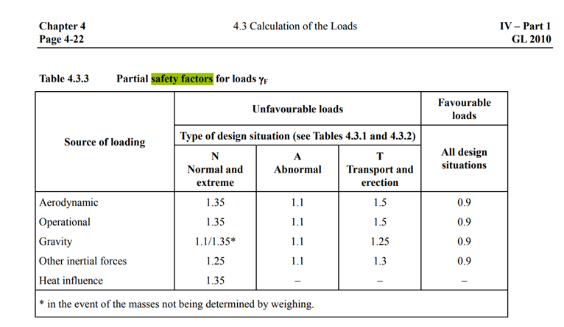
 | Bending moment M | Design Load | Proof Load | Calculated Bending moment
1.236 | 8927.45000 | 13391.17500 | 16203.32175 | 7487.8724453
3.709 | 8189.20000 | 12283.80000 | 14863.39800 | 7124.3925491
6.182 | 7461.64000 | 11192.46000 | 13542.87660 | 6639.9601087
9.273 | 6572.29000 | 9858.43500 | 11928.70635 | 6095.6370375
12.983 | 5588.84000 | 8383.26000 | 10143.74460 | 5432.0214934
16.692 | 4688.21000 | 7032.31500 | 8509.10115 | 4722.4383461
20.401 | 3851.68000 | 5777.52000 | 6990.79920 | 4035.4889649
24.111 | 3084.64000 | 4626.96000 | 5598.62160 | 3376.9301361
27.820 | 2392.49000 | 3588.73500 | 4342.36935 | 2753.1461908
31.529 | 1780.32000 | 2670.48000 | 3231.28080 | 2172.3137748
35.239 | 1254.96000 | 1882.44000 | 2277.75240 | 1641.9050872
38.948 | 821.05300 | 1231.57950 | 1490.21120 | 1171.1914349
42.657 | 479.05300 | 718.57950 | 869.48120 | 769.10878353
46.367 | 228.59900 | 342.89850 | 414.90719 | 440.4273456
49.458 | 88.60410 | 132.90615 | 160.81644 | 212.99318262
51.931 | 24.62130 | 36.93195 | 44.68766 | 100.57325879
54.404 | 1.21929 | 1.82894 | 2.21301 | 25.525808889
55.640 | 0.00001 | 0.00001 | 0.00001 | 2.3327830392
Blade Design
Radial station r | Bending moment M | Design Load | Proof Load | Calculated Bending moment
(m) | (kNm) | (kNm) | (kNm) | (kNm)
1.236 | 8927.45 | 13391.175 | 16203.32175 | 7487.8724453
3.709 | 8189.2 | 12283.8 | 14863.398 | 7124.3925491
6.182 | 7461.64 | 11192.46 | 13542.8766 | 6639.9601087
9.273 | 6572.29 | 9858.435 | 11928.70635 | 6095.6370375
12.983 | 5588.84 | 8383.26 | 10143.7446 | 5432.0214934
16.692 | 4688.21 | 7032.315 | 8509.10115 | 4722.4383461
20.401 | 3851.68 | 5777.52 | 6990.7992 | 4035.4889649
24.111 | 3084.64 | 4626.96 | 5598.6216 | 3376.9301361
27.82 | 2392.49 | 3588.735 | 4342.36935 | 2753.1461908
31.529 | 1780.32 | 2670.48 | 3231.2808 | 2172.3137748
35.239 | 1254.96 | 1882.44 | 2277.7524 | 1641.9050872
38.948 | 821.053 | 1231.5795 | 1490.211195 | 1171.1914349
42.657 | 479.053 | 718.5795 | 869.481195 | 769.10878353
46.367 | 228.599 | 342.8985 | 414.907185 | 440.4273456
49.458 | 88.6041 | 132.90615 | 160.8164415 | 212.99318262
51.931 | 24.6213 | 36.93195 | 44.6876595 | 100.57325879
54.404 | 1.21929 | 1.828935 | 2.21301135 | 25.525808889
55.64 | 7.10249E-06 | 1.0653735E-05 | 1.289101935E-05 | 2.3327830392
 |  |  |  |  |  |  |  | A Detailed Wind Turbine Blade Cost Model (nrel.gov)

composite material in the spar
material | E(Young's modulus) |  | V(percentage） | ρ（density） |  | unit price
Glass-epoxy (UD*), Vf = 0.5 | 38 | GPa | 0.66666666667 | 1840 | kg/m³ | 1.87 | $/kg
Carbon fibre-epoxy (UD), Vf = 0.6 | 130 | GPa | 0.33333333333 | 1500 | kg/m³ | 30 | $/kg
net tensile modulus | 68.666666667 | GPa |  | 1726.6666667 | kg/m³ | 11.246666667 | $/kg

CF Mass and Cost estimates
Station | Airfoil | Radial station r | Proof Load | Chord length | Max rel. thickness | Section depth T | Spar cap width W | Spar cap thickness t | Area moment Ixx | Stress s | Target stress (MPa) CF | a | b | c | Station | Spar cap length L | Spar cap width W | Spar cap thickness t | Volume | Spar cap mass
 |  | (m) | (kNm) | (m) | % | (m) | (m) | (mm) | (m^4) | (Pa) | 200 | (m) | (m) | (m) |  | (m) | (m) | (mm) | (m³) | (kg)
2 | NREL 5-MW Circular 1 | 1.236 | 16203.32175 | 3.205 | 1 | 3.205 | 0.534 | 48.82504387 | 0.12982911552 | 200000000 |  | 0.534 | -0.855735 | 0.040508304375 | 2 | 1.236 | 0.534 | 48.82504387 | 0.032225700755 | 48.338551133
3 | NREL 5-MW Circular 1 | 3.709 | 14863.398 | 3.487 | 1 | 3.487 | 0.534 | 40.86922283 | 0.12957167207 | 200000000 |  | 0.534 | -0.931029 | 0.037158495 | 3 | 2.473 | 0.534 | 40.86922283 | 0.053971160023 | 80.956740035
4 | NREL 5-MW Circular 2 | 6.182 | 13542.8766 | 3.77 | 1 | 3.77 | 0.534 | 34.25814363 | 0.12764161196 | 200000000 |  | 0.534 | -1.00659 | 0.0338571915 | 4 | 2.473 | 0.534 | 34.25814363 | 0.045240687831 | 67.861031746
5 | NREL 5-MW DU 99-W-405 | 9.273 | 11928.70635 | 4.123 | 0.405 | 1.669815 | 0.534 | 73.329310476 | 0.049796831985 | 200000000 |  | 0.534 | -0.445840605 | 0.029821765875 | 5 | 3.091 | 0.534 | 73.329310476 | 0.1210369199 | 181.55537984
6 | NREL 5-MW DU 99-W-350 | 12.983 | 10143.7446 | 4.209 | 0.351 | 1.477359 | 0.534 | 71.141141823 | 0.037464880946 | 200000000 |  | 0.534 | -0.394454853 | 0.0253593615 | 6 | 3.71 | 0.534 | 71.141141823 | 0.14094056171 | 211.41084257
7 | NREL 5-MW DU 99-W-350 | 16.692 | 8509.10115 | 4.033 | 0.351 | 1.415583 | 0.534 | 61.653408788 | 0.030113347333 | 200000000 |  | 0.534 | -0.377960661 | 0.021272752875 | 7 | 3.709 | 0.534 | 61.653408788 | 0.12211111137 | 183.16666705
8 | NREL 5-MW DU 99-W-300 | 20.401 | 6990.7992 | 3.844 | 0.3 | 1.1532 | 0.534 | 63.826328212 | 0.020154474094 | 200000000 |  | 0.534 | -0.3079044 | 0.017476998 | 8 | 3.709 | 0.534 | 63.826328212 | 0.12641480862 | 189.62221292
9 | NREL 5-MW DU 99-W-250 | 24.111 | 5598.6216 | 3.625 | 0.25 | 0.90625 | 0.534 | 68.070256892 | 0.012684377062 | 200000000 |  | 0.534 | -0.24196875 | 0.013996554 | 9 | 3.71 | 0.534 | 68.070256892 | 0.13485670874 | 202.28506311
10 | NREL 5-MW DU 99-W-250 | 27.82 | 4342.36935 | 3.391 | 0.25 | 0.84775 | 0.534 | 55.131698501 | 0.0092031090412 | 200000000 |  | 0.534 | -0.22634925 | 0.010855923375 | 10 | 3.709 | 0.534 | 55.131698501 | 0.10919417284 | 163.79125926
11 | NREL 5-MW DU 99-W-210 | 31.529 | 3231.2808 | 3.168 | 0.21 | 0.66528 | 0.534 | 54.361868098 | 0.0053742662266 | 200000000 |  | 0.534 | -0.17762976 | 0.008078202 | 11 | 3.709 | 0.534 | 54.361868098 | 0.10766944213 | 161.50416319
12 | NREL 5-MW DU 99-W-210 | 35.239 | 2277.7524 | 2.946 | 0.21 | 0.61866 | 0.534 | 39.523229154 | 0.0035228857495 | 200000000 |  | 0.534 | -0.16518222 | 0.005694381 | 12 | 3.71 | 0.534 | 39.523229154 | 0.078301050206 | 117.45157531
13 | NREL 5-MW NACA64-618 | 38.948 | 1490.211195 | 2.723 | 0.18 | 0.49014 | 0.534 | 32.879090805 | 0.0018260302878 | 200000000 |  | 0.534 | -0.13086738 | 0.0037255279875 | 13 | 3.709 | 0.534 | 32.879090805 | 0.065120524522 | 97.680786783
14 | NREL 5-MW NACA64-618 | 42.657 | 869.481195 | 2.501 | 0.18 | 0.45018 | 0.534 | 19.831612728 | 0.00097855761091 | 200000000 |  | 0.534 | -0.12019806 | 0.0021737029875 | 14 | 3.709 | 0.534 | 19.831612728 | 0.039278611158 | 58.917916737
15 | NREL 5-MW NACA64-618 | 46.367 | 414.907185 | 2.278 | 0.18 | 0.41004 | 0.534 | 9.9581187008 | 0.00042532135534 | 200000000 |  | 0.534 | -0.10948068 | 0.0010372679625 | 15 | 3.71 | 0.534 | 9.9581187008 | 0.019728427283 | 29.592640924
16 | NREL 5-MW NACA64-618 | 49.458 | 160.8164415 | 2.096 | 0.18 | 0.37728 | 0.534 | 4.0793415476 | 0.00015168206762 | 200000000 |  | 0.534 | -0.10073376 | 0.00040204110375 | 16 | 3.091 | 0.534 | 4.0793415476 | 0.0067333366824 | 10.100005024
17 | NREL 5-MW NACA64-618 | 51.931 | 44.6876595 | 1.887 | 0.18 | 0.33966 | 0.534 | 1.2409578127 | 3.7946526064E-05 | 200000000 |  | 0.534 | -0.09068922 | 0.00011171914875 | 17 | 2.473 | 0.534 | 1.2409578127 | 0.0016387865503 | 2.4581798254
18 | NREL 5-MW NACA64-618 | 54.404 | 2.21301135 | 1.284 | 0.18 | 0.23112 | 0.534 | 0.089724736556 | 1.278677958E-06 | 200000000 |  | 0.534 | -0.06170904 | 5.532528375E-06 | 18 | 2.473 | 0.534 | 0.089724736556 | 0.00011848887205 | 0.17773330808
19 | NREL 5-MW NACA64-618 | 55.64 | 1.289101935E-05 | 1.284 | 0.18 | 0.23112 | 0.534 | 5.2225003478E-07 | 7.4484309804E-12 | 200000000 |  | 0.534 | -0.06170904 | 3.2227548375E-11 | 19 | 1.236 | 0.534 | 5.2225003478E-07 | 3.4469755696E-10 | 5.1704633543E-07
 |  |  |  |  |  |  |  |  |  |  |  |  |  |  |  |  |  |  | total mass | 3613.7414986 | kg
 |  |  |  |  |  |  |  |  |  |  |  |  |  |  |  |  |  |  | unit price | 30 | $/kg
 |  |  |  |  |  |  |  |  |  |  |  |  |  |  |  |  |  |  | cost | 108412.24496 | $
 |  |  |  |  |  |  |  |  |  |  |  |  |  |  |  |  |  |  |  | 86729.795966 | £ | (1$=0.8£, 13/4/2023 UTC 16:53)

(2/3GF+1/3CF) Mass and Cost estimates
Station | Airfoil | Radial station r | Proof Load | Chord length | Max rel. thickness | Section depth T | Spar cap width W | Spar cap thickness t | Area moment Ixx | Stress s | Target stress (MPa) GF+CF | a | b | c | Station | Spar cap length L | Spar cap width W | Spar cap thickness t | Volume | Spar cap mass
 |  | (m) | (kNm) | (m) | % | (m) | (m) | (mm) | (m^4) | (Pa) | 120 | (m) | (m) | (m) |  | (m) | (m) | (mm) | (m³) | (kg)
2 | NREL 5-MW Circular 1 | 1.236 | 16203.32175 | 3.205 | 1 | 3.205 | 0.534 | 83.217166945 | 0.2163818592 | 120000000 |  | 0.534 | -0.855735 | 0.067513840625 | 2 | 1.236 | 0.534 | 83.217166945 | 0.054925327396 | 94.83773197
3 | NREL 5-MW Circular 1 | 3.709 | 14863.398 | 3.487 | 1 | 3.487 | 0.534 | 69.270882026 | 0.21595278678 | 120000000 |  | 0.534 | -0.931029 | 0.061930825 | 3 | 2.473 | 0.534 | 69.270882026 | 0.091477879927 | 157.95180601
4 | NREL 5-MW Circular 2 | 6.182 | 13542.8766 | 3.77 | 1 | 3.77 | 0.534 | 57.833613103 | 0.21273601993 | 120000000 |  | 0.534 | -1.00659 | 0.0564286525 | 4 | 2.473 | 0.534 | 57.833613103 | 0.076374028459 | 131.87248914
5 | NREL 5-MW DU 99-W-405 | 9.273 | 11928.70635 | 4.123 | 0.405 | 1.669815 | 0.534 | 132.51347403 | 0.082994719974 | 120000000 |  | 0.534 | -0.445840605 | 0.049702943125 | 5 | 3.091 | 0.534 | 132.51347403 | 0.21872594515 | 377.66679863
6 | NREL 5-MW DU 99-W-350 | 12.983 | 10143.7446 | 4.209 | 0.351 | 1.477359 | 0.534 | 130.04331756 | 0.062441468244 | 120000000 |  | 0.534 | -0.394454853 | 0.0422656025 | 6 | 3.71 | 0.534 | 130.04331756 | 0.25763401815 | 444.84807134
7 | NREL 5-MW DU 99-W-350 | 16.692 | 8509.10115 | 4.033 | 0.351 | 1.415583 | 0.534 | 111.31000828 | 0.050188912222 | 120000000 |  | 0.534 | -0.377960661 | 0.035454588125 | 7 | 3.709 | 0.534 | 111.31000828 | 0.22046127027 | 380.66312667
8 | NREL 5-MW DU 99-W-300 | 20.401 | 6990.7992 | 3.844 | 0.3 | 1.1532 | 0.534 | 119.27498545 | 0.033590790156 | 120000000 |  | 0.534 | -0.3079044 | 0.02912833 | 8 | 3.709 | 0.534 | 119.27498545 | 0.23623675184 | 407.90212484
9 | NREL 5-MW DU 99-W-250 | 24.111 | 5598.6216 | 3.625 | 0.25 | 0.90625 | 0.534 | 139.12142877 | 0.021140628437 | 120000000 |  | 0.534 | -0.24196875 | 0.02332759 | 9 | 3.71 | 0.534 | 139.12142877 | 0.27561902739 | 475.90218729
10 | NREL 5-MW DU 99-W-250 | 27.82 | 4342.36935 | 3.391 | 0.25 | 0.84775 | 0.534 | 106.88943306 | 0.015338515069 | 120000000 |  | 0.534 | -0.22634925 | 0.018093205625 | 10 | 3.709 | 0.534 | 106.88943306 | 0.21170585245 | 365.54543856
11 | NREL 5-MW DU 99-W-210 | 31.529 | 3231.2808 | 3.168 | 0.21 | 0.66528 | 0.534 | 116.82780636 | 0.0089571103776 | 120000000 |  | 0.534 | -0.17762976 | 0.01346367 | 11 | 3.709 | 0.534 | 116.82780636 | 0.23138985424 | 399.53314832
12 | NREL 5-MW DU 99-W-210 | 35.239 | 2277.7524 | 2.946 | 0.21 | 0.61866 | 0.534 | 76.252389369 | 0.0058714762491 | 120000000 |  | 0.534 | -0.16518222 | 0.009490635 | 12 | 3.71 | 0.534 | 76.252389369 | 0.15106665868 | 260.84176398
13 | NREL 5-MW NACA64-618 | 38.948 | 1490.211195 | 2.723 | 0.18 | 0.49014 | 0.534 | 64.33632356 | 0.003043383813 | 120000000 |  | 0.534 | -0.13086738 | 0.0062092133125 | 13 | 3.709 | 0.534 | 64.33632356 | 0.12742490846 | 220.02034194
14 | NREL 5-MW NACA64-618 | 42.657 | 869.481195 | 2.501 | 0.18 | 0.45018 | 0.534 | 35.850569851 | 0.0016309293515 | 120000000 |  | 0.534 | -0.12019806 | 0.0036228383125 | 14 | 3.709 | 0.534 | 35.850569851 | 0.071005853751 | 122.60344081
15 | NREL 5-MW NACA64-618 | 46.367 | 414.907185 | 2.278 | 0.18 | 0.41004 | 0.534 | 17.240518433 | 0.00070886892557 | 120000000 |  | 0.534 | -0.10948068 | 0.0017287799375 | 15 | 3.71 | 0.534 | 17.240518433 | 0.034155880688 | 58.975820655
16 | NREL 5-MW NACA64-618 | 49.458 | 160.8164415 | 2.096 | 0.18 | 0.37728 | 0.534 | 6.9045982495 | 0.00025280344604 | 120000000 |  | 0.534 | -0.10073376 | 0.00067006850625 | 16 | 3.091 | 0.534 | 6.9045982495 | 0.011396688443 | 19.678282045
17 | NREL 5-MW NACA64-618 | 51.931 | 44.6876595 | 1.887 | 0.18 | 0.33966 | 0.534 | 2.0785904734 | 6.3244210107E-05 | 120000000 |  | 0.534 | -0.09068922 | 0.00018619858125 | 17 | 2.473 | 0.534 | 2.0785904734 | 0.0027449491645 | 4.7396122241
18 | NREL 5-MW NACA64-618 | 54.404 | 2.21301135 | 1.284 | 0.18 | 0.23112 | 0.534 | 0.14961883445 | 2.1311299301E-06 | 120000000 |  | 0.534 | -0.06170904 | 9.220880625E-06 | 18 | 2.473 | 0.534 | 0.14961883445 | 0.00019758393964 | 0.34116160244
19 | NREL 5-MW NACA64-618 | 55.64 | 1.289101935E-05 | 1.284 | 0.18 | 0.23112 | 0.534 | 8.7041673546E-07 | 1.2414051634E-11 | 120000000 |  | 0.534 | -0.06170904 | 5.3712580625E-11 | 19 | 1.236 | 0.534 | 8.7041673546E-07 | 5.7449593541E-10 | 9.919629818E-07
 |  |  |  |  |  |  |  |  |  |  |  |  |  |  |  |  |  |  | total mass | 7847.846694 | kg
 |  |  |  |  |  |  |  |  |  |  |  |  |  |  |  |  |  |  | unit price | 11.246666667 | $/kg
 | Target stress (MPa) CF | Target stress (MPa) GF+CF
1.236 | 48.8 | 83.2
3.709 | 40.9 | 69.3
6.182 | 34.3 | 57.8
9.273 | 73.3 | 132.5
12.983 | 71.1 | 130.0
16.692 | 61.7 | 111.3
20.401 | 63.8 | 119.3
24.111 | 68.1 | 139.1
27.820 | 55.1 | 106.9
31.529 | 54.4 | 116.8
35.239 | 39.5 | 76.3
38.948 | 32.9 | 64.3
42.657 | 19.8 | 35.9
46.367 | 10.0 | 17.2
49.458 | 4.1 | 6.9
51.931 | 1.2 | 2.1
54.404 | 0.1 | 0.1
55.640 | 0.0 | 0.0
 |  |  |  |  |  |  |  |  |  |  |  |  |  |  |  |  |  |  | cost | 88262.115819 | $
 |  |  |  |  |  |  |  |  |  |  |  |  |  |  |  |  |  |  |  | 70609.692655 | £ | (1$=0.8£, 13/4/2023 UTC 16:53)

Tower Design
Tubular Tower Part Info |  |  | Tower Material |  |  | price |  | Price Date | Price in £ |  | cost |  |  | (1¥=0.12£ 13/4/2023 UTC 16:53)
Height | 79.252 | m | Material | Steel |  | 3848 | ¥/t | 21/4/2023 | 461.76 | £/t | 119104.99 | £ | Commodities - Live Quote Price Trading Data (tradingeconomics.com)
Tower mass | 257.937 | t | E | 210 | GPa
 |  |  | Shear modulus | 80.769 | GPa
 |  |  | Density | 8500 | kg/m³
 |  |  | Yield stress | 355 | Mpa
 |  |  | Element Initial length | 4.403 | m

Element | Height(m) | Diameter(m) | Thickness(mm)
1 | 4.403 | 5.375 | 31
2 | 8.806 | 5.268 | 31
3 | 13.209 | 5.161 | 30
4 | 17.612 | 5.054 | 30
5 | 22.015 | 4.946 | 29
6 | 26.418 | 4.839 | 29
7 | 30.821 | 4.732 | 28
8 | 35.224 | 4.625 | 28
9 | 39.627 | 4.518 | 27
10 | 44.03 | 4.411 | 27
11 | 48.433 | 4.304 | 26
12 | 52.836 | 4.197 | 26
13 | 57.239 | 4.09 | 25
14 | 61.642 | 3.983 | 25
15 | 66.045 | 3.876 | 24
16 | 70.448 | 3.769 | 24
17 | 74.851 | 3.662 | 23
18 | 79.254 | 3.555 | 23

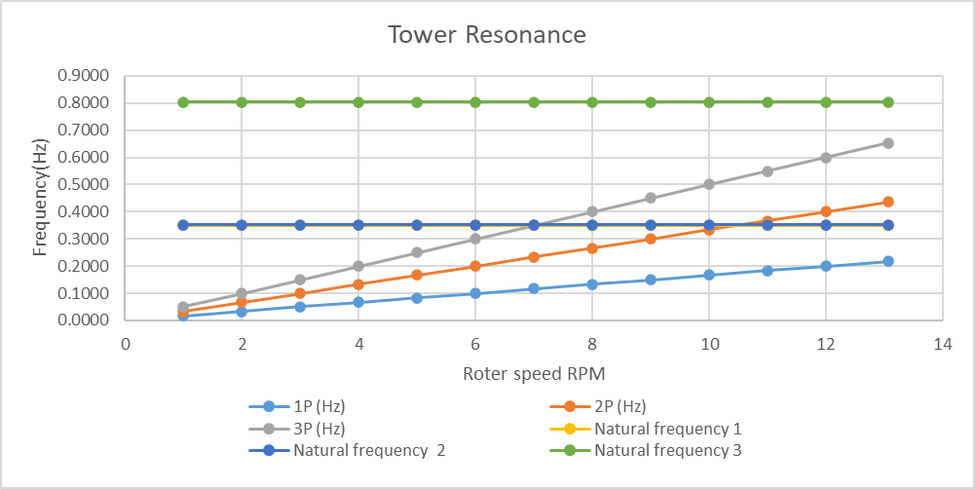
Rotational speed | n | 13.067860804 | rpm |  | Tower Resonance
Rotational speed |  | 0.21779768006 | rotations / second |  | 1P (rpm) | 1P (Hz) | 2P (Hz) | 3P (Hz) | Natural frequency 1 | Natural frequency 2 | Natural frequency 3
1P multiplier | 1P | 1 |  |  | 1 | 0.016666666667 | 0.033333333333 | 0.05 | 0.34993 | 0.351372 | 0.803205
1P excitation frequency | f_1P | 0.21779768006 | Hz |  | 2 | 0.033333333333 | 0.066666666667 | 0.1 | 0.34993 | 0.351372 | 0.803205
2P multiplier | 2P | 2 |  |  | 3 | 0.05 | 0.1 | 0.15 | 0.34993 | 0.351372 | 0.803205
2P excitation frequency | f_2P | 0.43559536013 | Hz |  | 4 | 0.066666666667 | 0.13333333333 | 0.2 | 0.34993 | 0.351372 | 0.803205
3P multiplier | 3P | 3 |  |  | 5 | 0.083333333333 | 0.16666666667 | 0.25 | 0.34993 | 0.351372 | 0.803205
3P excitation frequency | f_3P | 0.65339304019 | Hz |  | 6 | 0.1 | 0.2 | 0.3 | 0.34993 | 0.351372 | 0.803205
 |  |  |  |  | 7 | 0.11666666667 | 0.23333333333 | 0.35 | 0.34993 | 0.351372 | 0.803205
 |  |  |  |  | 8 | 0.13333333333 | 0.26666666667 | 0.4 | 0.34993 | 0.351372 | 0.803205
Blade flapwise vibration natural frequency | f_n | 0.34993 | Hz |  | 9 | 0.15 | 0.3 | 0.45 | 0.34993 | 0.351372 | 0.803205
Frequency ratio, 1P | r_1P | 0.62240356661 | - |  | 10 | 0.16666666667 | 0.33333333333 | 0.5 | 0.34993 | 0.351372 | 0.803205
Frequency ratio, 2P | r_2P | 1.2448071332 | - |  | 11 | 0.18333333333 | 0.36666666667 | 0.55 | 0.34993 | 0.351372 | 0.803205
Frequency ratio, 3P | r_3P | 1.8672106998 | - |  | 12 | 0.2 | 0.4 | 0.6 | 0.34993 | 0.351372 | 0.803205
 |  | No damping | Aerodynamic damping |  | 13.067860804 | 0.21779768006 | 0.43559536013 | 0.65339304019 | 0.34993 | 0.351372 | 0.803205
 |  | ζ=0 | ζ=0.15
 |  |  | 0.15
Dynamic magnification factor, 1P | Q_1P | 1.6323497766 | 1.5614321674
Dynamic magnification factor, 2P | Q_2P | -1.8196878616 | 1.505064283
Dynamic magnification factor, 3P | Q_3P | -0.40217564191 | 0.39234260306

Generator Design
 | Direct Drive PMG |  | Comments
Rated power | 4.50E+06 | W | 4.5MW
Gearbox ratio, k | 1 |  | gear ratios 1:1
Generator rotational speed | 13.1 | rpm
Generator rotational speed | 1.37 | rad/s

$$T=σ2πR^{2}L$$
Generator rated torque, T | 3.28E+06 | Nm

$$T=σ2πR^{3}(\frac{L}{R})$$
$$R=\sqrt[3]{\frac{T}{σ2π}(\frac{R}{L})}$$
Generator "radius/axial length" ratio or R/L | 2.00 |  | Assume Kasp=2
Electromagnetic Shear Stress, σ | 4.00E+04 | Pa | Assume 40kPa

Generator radius, R | 2.97 | m
Generator axial length, L | 1.48 | m

Generator cylinder surface area, 2πRL | 27.65 | m2 |  |  |  | (1$=0.8£, 1¥=0.12£ 13/4/2023 UTC 16:53)
Generator volume, V | 41.00 | m3 |  |  |  | Commodities - Live Quote Price Trading Data (tradingeconomics.com)
 |  |  |  |  |  | Parameter | Price |  | Price date | Price in £
Iron mass | 26.5 | ton | Use Surface Area x "Mass/surface area" (from Polinder) |  |  | Iron mass price per tons | 116 | USD/tons | 21/4/2023 | 92.8 | £/tons
Copper mass | 6.3 | ton |  |  |  | Copper mass price tons | 3.848 | USD/Lbs | 21/4/2023 | 6895.616 | £/tons
Permanent magnet mass | 2.5 | ton |  |  |  | Neodymium（Permanent magnet） mass price per tons | 605000 | RMB/tons | 21/4/2023 | 72600 | £/tons

$$Pole pitch= \frac{2πR}{Poles}$$
Pole pitch guess | 0.1 | m | 0.1m pole pitch is similar to Polinder |  |  | Cost
Poles guess | 186.39 |  |  |  |  | Iron | 2463.4502241 | £
Pole pairs guess | 93.19 |  |  |  |  | Copper | 43486.931533 | £
 |  |  |  |  |  | Permanent magnet | 181010.08922 | £
Integer pole pairs | 93.00 |  | Pole pairs must be integer, so round to nearest |  |  | Total Cost | 226960.47098 | £
Integer poles | 186
Pole pitch | 0.100 | m

Copper loss estimate | 3.68E+04 | w | Estimate based on Surface Area x "loss/surface area"
Iron loss estimate | 21999 | w
Total loss estimate | 5.88E+04 | w

1 | 8.86523
2 | 30.6805
3 | 63.3409
4 | 96.8557
5 | 142.081
6 | 189.701
7 | 244.372
8 | 303.745
9 | 381.828
10 | 469.663
11 | 552.391
11.78 | 606.707
12 | 551.547
13 | 473.571
14 | 417.466
15 | 384.829
16 | 359.695
17 | 321.301
18 | 291.829
19 | 287.38
20 | 279.647
21 | 272.642
22 | 265.366
23 | 255.839
24 | 237.172
25 | 229.837
Foundation Design
wind speed | thrust
m/s | kN
1 | 8.86523
2 | 30.6805
3 | 63.3409
4 | 96.8557
5 | 142.081
6 | 189.701
7 | 244.372
8 | 303.745
9 | 381.828
10 | 469.663
11 | 552.391
11.78 | 606.707
12 | 551.547
13 | 473.571
14 | 417.466
15 | 384.829
16 | 359.695
17 | 321.301
18 | 291.829
19 | 287.38
20 | 279.647
21 | 272.642
22 | 265.366
23 | 255.839
24 | 237.172
25 | 229.837

Rotor mass | 84.610 | t
Nacelle mass | 177.715 | t
Tower mass | 257.937 | t
Total mass | 520.262 | t | weight W of the tower+nacelle+roter |  | 5103770.22 | N
concrete plinth | 1.5 | m
buried depth | 1.8 | m
hub height | 79.252 | m
density of reinforced concrete | 2500 | kg/m3
density of the soil and rock backfill | 2200 | kg/m3
rotor thrust | 606.707 | kN
overturning moment is Mt | 50084.876264 | kNm | Mt=TH
concrete plinth and the overlying soil Mc | 3750 | B² kg
mass of soil Ms | 3960 | B² kg
The total mass of the base Mb | 7710 | B² kg
gravity g | 9.81 | m/s²
weight W of the foundation | 75635.1 | B² N
weight moment Mw | 37817.6 | B³ Nm | Mw=WB/2 | weight moment Mw' | 37817.55 | B³ ＋ | 2551885.11 | B | Nm
B | 15.838406679 | m | Mw≥3Mt | B | 14.422397303 |  |  |  | m | Mw'≥3Mt

cost
volume | 245.05075831 | m³
steel bars needed | 40 | t | assumed
cost list
Concrete C40 price | 115 | £/m³ | Ready Mix Concrete Prices for 2023 | Mister Concrete
steel bars | 461.76 | £/t | Steel price |  | Price Date | Price in £ |  |  | (1¥=0.12£ 13/4/2023 UTC 16:53)
concrete | 28180.837206 | £ | 3848 | ¥/t | 21/4/2023 | 461.76 | £/t | Commodities - Live Quote Price Trading Data (tradingeconomics.com)
steel bars | 18470.4 | £
total | 46651.237206 | £

P90 Energy per WT per year (kWh)
 | 0 | 0
 | 1 | 0
 | 2 | 0
 | 3 | 39874.493615
 | 4 | 186649.78559
 | 5 | 384987.14917
 | 6 | 673987.38745
 | 7 | 946192.52624
 | 8 | 1161590.8087
 | 9 | 1265500.9351
 | 10 | 1258049.8637
 | 11 | 1150801.8464
 | 12 | 897396.5219
 | 13 | 562003.38578
 | 14 | 326173.25623
 | 15 | 183612.28025
 | 16 | 96610.324274
 | 17 | 49077.109273
 | 18 | 24226.660679
 | 19 | 11103.289764
 | 20 | 4766.1798132
 | 21 | 2003.5913537
 | 22 | 811.59764359
 | 23 | 305.69113819
 | 24 | 110.56585625
 | 25 | 38.894438524
Energy Yield
"V1" | "V2" | Rayleigh fit at 78.5m | Wind Speed (m) | Power (kW) | P90 Energy (kWh)
0 | 0.5 | 49.270116042 | 0 | 0 | 0
0.5 | 1.5 | 384.31454514 | 1 | 0 | 0
1.5 | 2.5 | 718.509681 | 2 | 0 | 0
2.5 | 3.5 | 963.2008777 | 3 | 41.3979 | 39874.493615
3.5 | 4.5 | 1097.3008988 | 4 | 170.099 | 186649.78559
4.5 | 5.5 | 1120.4254533 | 5 | 343.608 | 384987.14917
5.5 | 6.5 | 1049.9979552 | 6 | 641.894 | 673987.38745
6.5 | 7.5 | 914.61100813 | 7 | 1034.53 | 946192.52624
7.5 | 8.5 | 746.11607328 | 8 | 1556.85 | 1161590.8087
8.5 | 9.5 | 572.81406759 | 9 | 2209.27 | 1265500.9351
9.5 | 10.5 | 415.24319932 | 10 | 3029.67 | 1258049.8637
10.5 | 11.5 | 284.90694897 | 11 | 4039.22 | 1150801.8464
11.5 | 12.5 | 185.3428095 | 12 | 4841.82 | 897396.5219
12.5 | 13.5 | 114.47169914 | 13 | 4909.54 | 562003.38578
13.5 | 14.5 | 67.192229664 | 14 | 4854.33 | 326173.25623
14.5 | 15.5 | 37.514078126 | 15 | 4894.49 | 183612.28025
15.5 | 16.5 | 19.934739127 | 16 | 4846.33 | 96610.324274
16.5 | 17.5 | 10.087937395 | 17 | 4864.93 | 49077.109273
17.5 | 18.5 | 4.8636681648 | 18 | 4981.15 | 24226.660679
18.5 | 19.5 | 2.2348987276 | 19 | 4968.14 | 11103.289764
19.5 | 20.5 | 0.97908779683 | 20 | 4867.98 | 4766.1798132
20.5 | 21.5 | 0.40904645659 | 21 | 4898.2 | 2003.5913537
21.5 | 22.5 | 0.16300905703 | 22 | 4978.85 | 811.59764359
22.5 | 23.5 | 0.061976396424 | 23 | 4932.38 | 305.69113819
23.5 | 24.5 | 0.022484982928 | 24 | 4917.32 | 110.56585625
24.5 | 25.5 | 0.0077853339614 | 25 | 4995.86 | 38.894438524
25.5 | 26.5 | 0.0025729968357
26.5 | 27.5 | 0.00081176577573
27.5 | 28.5 | 0.000244510842
28.5 | 29.5 | 7.0320651547E-05 | energy per WT per year |  | 9225874.1443
29.5 | 30.5 | 1.9311777393E-05 | energy 3 WTs per year |  | 27677622.433

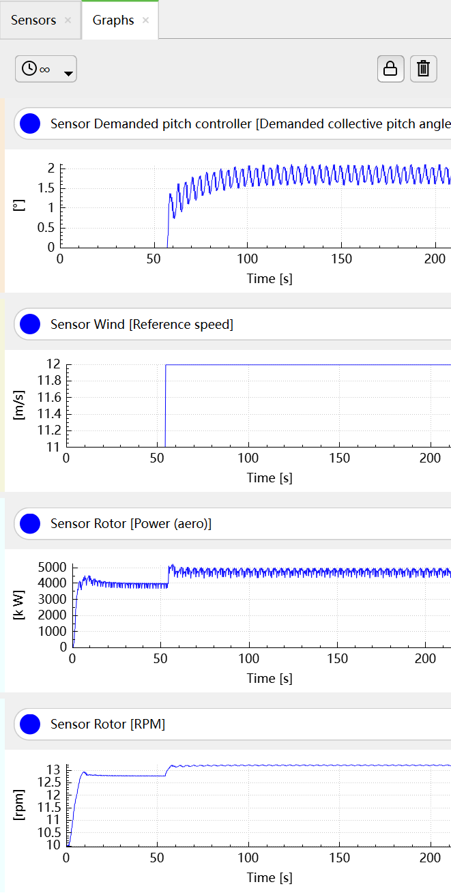
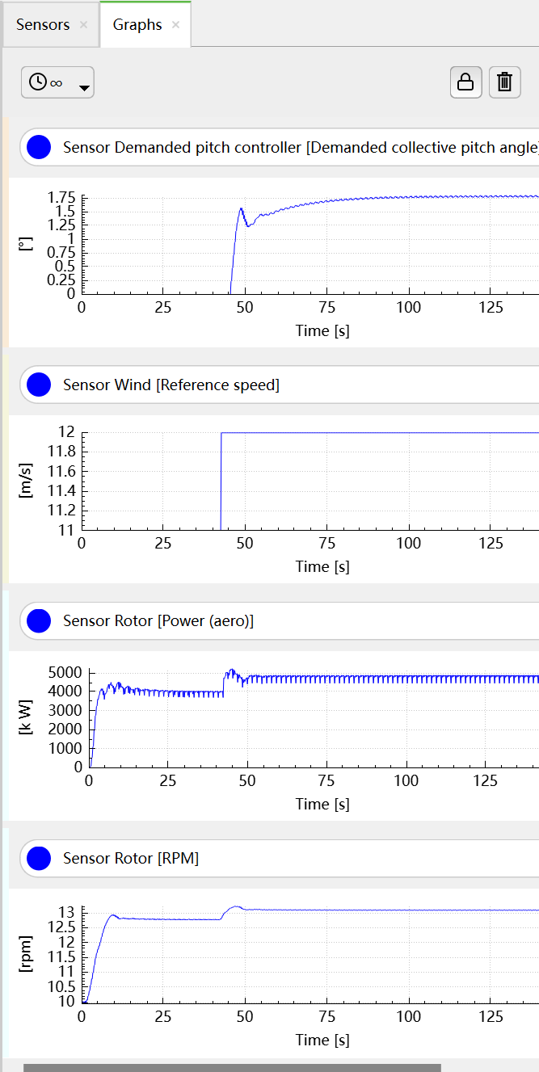
Controller Design
rated wind speed | 11.604 | m/s
K_u | 2.99 | s
T_u | 3.525 | s

K_p(0) | 1.3455 | s

K_I(0) | 0.458

theta_k | 40 | degrees

Curves
Power vs wind speed curve
 | calculated power |  | measured
0 | 0 | 0 | 0
1 | 0 | 1 | 0
2 | 0 | 2 | 0
3 | 82.524550524 | 3 | 41.3979
4 | 195.61374939 | 4 | 170.099
5 | 382.05810428 | 5 | 343.608
6 | 660.19640419 | 6 | 641.894
7 | 1048.3674381 | 7 | 1034.53
8 | 1564.9099951 | 8 | 1556.85
9 | 2228.1628642 | 9 | 2209.27
10 | 3056.4648342 | 10 | 3029.67
11 | 4068.1546944 | 11 | 4039.22
11.78312 | 4500 | 11.8 | 4831.93
12 | 4500 | 12 | 4841.82
13 | 4500 | 13 | 4909.54
14 | 4500 | 14 | 4854.33
15 | 4500 | 15 | 4894.49
16 | 4500 | 16 | 4846.33
17 | 4500 | 17 | 4864.93
18 | 4500 | 18 | 4981.15
19 | 4500 | 19 | 4968.14
20 | 4500 | 20 | 4867.98
21 | 4500 | 21 | 4898.2
22 | 4500 | 22 | 4978.85
23 | 4500 | 23 | 4932.38
24 | 4500 | 24 | 4917.32
25 | 4500 | 25 | 4995.86
Torque vs wind speed curve
 | calculated |  | measured
0 | 0 | 0 | 0
1 | 0 | 1 | 0
2 | 0 | 2 | 0
3 | 236.85856602 | 3 | 52.4278
4 | 421.08189515 | 4 | 209.366
5 | 657.94046118 | 5 | 405.659
6 | 947.4342641 | 6 | 719.436
7 | 1289.5633039 | 7 | 1093.55
8 | 1684.3275806 | 8 | 1540.61
9 | 2131.7270942 | 9 | 1955.03
10 | 2631.7618447 | 10 | 2413.67
11 | 3184.4318321 | 11 | 3016.29
11.78312 | 3288.360297 | 11.8 | 3559.71
12 | 3288.360297 | 12 | 3529.66
13 | 3288.360297 | 13 | 3576.98
14 | 3288.360297 | 14 | 3534.77
15 | 3288.360297 | 15 | 3565.43
16 | 3288.360297 | 16 | 3533.63
17 | 3288.360297 | 17 | 3550.7
18 | 3288.360297 | 18 | 3627.64
19 | 3288.360297 | 19 | 3619.3
20 | 3288.360297 | 20 | 3554
21 | 3288.360297 | 21 | 3577.14
22 | 3288.360297 | 22 | 3634.58
23 | 3288.360297 | 23 | 3602.51
24 | 3288.360297 | 24 | 3592.68
25 | 3288.360297 | 25 | 3645.99
rotational speed vs wind speed curve
 | calculated |  | measured
0 | 0 | 0 | 0
1 | 0 | 1 | 0
2 | 0 | 2 | 0
3 | 0.34841277607 | 3 | 0.78961732233
4 | 0.46455036809 | 4 | 0.81244622895
5 | 0.58068796012 | 5 | 0.84703830566
6 | 0.69682555214 | 6 | 0.8922185968
7 | 0.81296314416 | 7 | 0.94603617336
8 | 0.92910073619 | 8 | 1.0105372593
9 | 1.0452383282 | 9 | 1.1300413495
10 | 1.1613759202 | 10 | 1.2552128728
11 | 1.2775135123 | 11 | 1.3391352845
11.78312 | 1.3684631833 | 11.8 | 1.3573984098
12 | 1.3684631833 | 12 | 1.3717554882
13 | 1.3684631833 | 13 | 1.3725408864
14 | 1.3684631833 | 14 | 1.3733053406
15 | 1.3684631833 | 15 | 1.3727607979
16 | 1.3684631833 | 16 | 1.3714832169
17 | 1.3684631833 | 17 | 1.370132332
18 | 1.3684631833 | 18 | 1.3731063731
19 | 1.3684631833 | 19 | 1.3726770221
20 | 1.3684631833 | 20 | 1.369713453
21 | 1.3684631833 | 21 | 1.369305046
22 | 1.3684631833 | 22 | 1.3698495887
23 | 1.3684631833 | 23 | 1.3691479663
24 | 1.3684631833 | 24 | 1.3687081434
25 | 1.3684631833 | 25 | 1.3702370518

Blade Pitch Angle vs wind speed curve
 | measured pitch angle
0 | 0
1 | 0
2 | 0
3 | 0
4 | 0
5 | 0
6 | 0
7 | 0
8 | 0
9 | 0
10 | 0
11 | 0
11.8 | 0
12 | 1.80852
13 | 5.29305
14 | 7.66288
15 | 9.61111
16 | 11.3508
17 | 12.9207
18 | 14.3909
19 | 15.7901
20 | 17.1362
21 | 18.6906
22 | 19.6066
23 | 20.7945
24 | 21.9005
25 | 23.0237
Torque vs ratational speed curve
 | calculated |  | measured
0 | 0 | 0 | 0
0 | 0 | 0 | 0
0 | 0 | 0 | 0
7.54029 | 52.4278 | 3.3270969329 | 236.85856602
7.75829 | 209.366 | 4.4361292438 | 421.08189515
8.08862 | 405.659 | 5.5451615548 | 657.94046118
8.52006 | 719.436 | 6.6541938657 | 947.4342641
9.03398 | 1093.55 | 7.7632261767 | 1289.5633039
9.64992 | 1540.61 | 8.8722584877 | 1684.3275806
10.7911 | 1955.03 | 9.9812907986 | 2131.7270942
11.9864 | 2413.67 | 11.09032311 | 2631.7618447
12.7878 | 3016.29 | 12.199355421 | 3184.4318321
12.9622 | 3559.71 | 13.067860804 | 3288.360297
13.0993 | 3529.66 | 13.067860804 | 3288.360297
13.1068 | 3576.98 | 13.067860804 | 3288.360297
13.1141 | 3534.77 | 13.067860804 | 3288.360297
13.1089 | 3565.43 | 13.067860804 | 3288.360297
13.0967 | 3533.63 | 13.067860804 | 3288.360297
13.0838 | 3550.7 | 13.067860804 | 3288.360297
13.1122 | 3627.64 | 13.067860804 | 3288.360297
13.1081 | 3619.3 | 13.067860804 | 3288.360297
13.0798 | 3554 | 13.067860804 | 3288.360297
13.0759 | 3577.14 | 13.067860804 | 3288.360297
13.0811 | 3634.58 | 13.067860804 | 3288.360297
13.0744 | 3602.51 | 13.067860804 | 3288.360297
13.0702 | 3592.68 | 13.067860804 | 3288.360297
13.0848 | 3645.99 | 13.067860804 | 3288.360297
Power coefficient vs tip speed ratio curve
0
0
0
6.6196389411 | 0.488923
6.6196389411 | 0.488923
6.6196389411 | 0.488923
6.6196389411 | 0.488923
6.6196389411 | 0.488923
6.6196389411 | 0.488923
6.6196389411 | 0.488923
6.6196389411 | 0.488923
6.6196389411 | 0.488923
6.6196389411 | 0.44
6.5 | 0.41657177433
6 | 0.32764498227
5.5714285714 | 0.26233091328
5.2 | 0.21328474846
4.875 | 0.17574121729
4.5882352941 | 0.14651659394
4.3333333333 | 0.12342867387
4.1052631579 | 0.1049476638
3.9 | 0.089979503255
3.7142857143 | 0.077727678009
3.5454545455 | 0.067602932573
3.3913043478 | 0.059162983976
3.25 | 0.052071471791
3.12 | 0.046069505666

Cost Attemption
WT P_rated | 4500 | kW
Averaged CapEx | 1501 | $/kW |  | 2021 Cost of Wind Energy Review (nrel.gov)
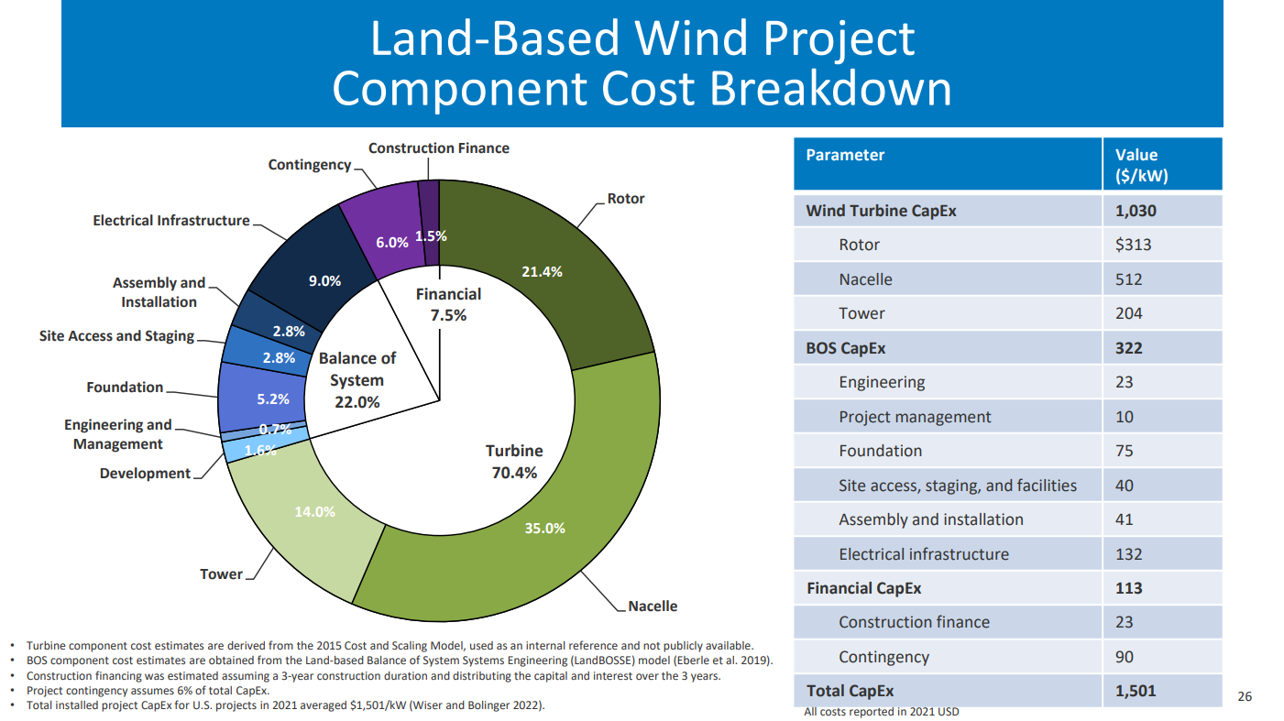
Parameter | Value | Cost | Cost
 | $/kW | $ | £
Wind Turbine CapEx | 1030 | 1546030 | 1236824
Rotor | 313 | 469813 | 375850.4
Nacelle | 512 | 768512 | 614809.6
Tower | 204 | 306204 | 244963.2
Bos CapEx | 322 | 483322 | 386657.6
Engineering | 23 | 34523 | 27618.4
Project Management | 10 | 15010 | 12008
Foundation | 75 | 112575 | 90060
Site access, staing, facilities | 40 | 60040 | 48032
Assembly and installation | 41 | 61541 | 49232.8
Electrical infrastructure | 132 | 198132 | 158505.6
Financial CapEx | 113 | 169613 | 135690.4
Construction finance | 23 | 34523 | 27618.4
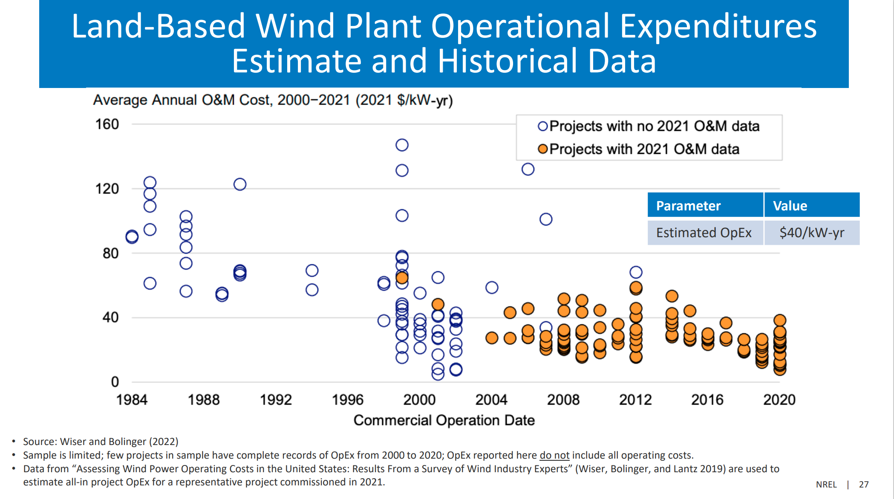
Contingency | 90 | 135090 | 108072
Total CapEx | 1501 | 2253001 | 1802400.8
 |  | (1$=0.8£, 13/4/2023 UTC 16:53)
Annual cost (fixed)
Insurance and taxes | 38000.00 | £ | tutorial
Electrical O&M | 3000.00 | £ | tutorial
Management | 8000.00 | £ | tutorial
Annual costs (variable) |  |  | tutorial
Availability warranty | 13.5705 | £/MWh | scale 15 to factor of 0.9047
Estimated OpEx | 32 | £/kW-yr
Estimated Total OpEx | 144000 | £/yr

Assuming a 20-year lifetime
life time | 20 | year
discount rate | 1.3 | % | https://www.gov.uk/government/publications/dhsc-group-accounting-manual-2021-to-2022/department-of-health-and-social-care-group-accounting-manual-2021-to-2022-additional-guidance-version-1#:~:text=Post%2Demployment%20benefits%20provisions,of%20CPI%20measured%20at%202.90%25.
Annual energy yield | 9225.87 | MWh
Total capital costs C | 1802400.80 | £
Total fixed costs | 49000.00 | £
$$S_{n}=1+\frac{1}{r}[1−{\left(1+r\right)}^{1−n}]$$
Annual cost per unit output O | 18.88 | £/MWh
$$LCoE=\frac{C}{S_{n}E}+O$$
Discounting factor S_n | 17.74
LCoE | 29.89 | £/MWh
kW vs £ Cost
100 | 279450
800 | 710700
1000 | 862500
3000 | 1607700
3500 | 2159700

Maximum Power Output (kW) | Typical Turbine Type | Project Cost |  | actual cost around
100 | Norvento nED100 | 405 | k£ | 279450 | £
800 | Enercon E53 | 1030 | k£ | 710700 | £
1000 | EWT DW61 | 1250 | k£ | 862500 | £
3000 | Enercon E82 | 2330 | k£ | 1607700 | £
3500 | Enercon E126 EP3 | 3130 | k£ | 2159700 | £
estimate for 4500 |  |  |  | 2535728 | £
How much does a wind turbine cost ? - Renewables First

Blade design
Station | Airfoil | Radial station r | Proof Load | Chord length | Max rel. thickness | Section depth T | Spar cap width W | Spar cap thickness t | Area moment Ixx | Stress s | Target stress (MPa) GF | a | b | c |  |  | Radial station r | Bending moment M | Design Load | Proof Load | Calculated Bending moment | Simulation Input Data
 |  | (m) | (kNm) | (m) | % | (m) | (m) | (mm) | (m^4) | (Pa) | 80 | (m) | (m) | (m) |  |  | (m) | (kNm) | (kNm) | (kNm) | (kNm) | omega | 13.067860804 | rpm |  | Hub radius |  | 1.36 | m
2 | NREL 5-MW Circular 1 | 1.236 | 16203.32175 | 3.205 | 100.0% | 3.205 | 0.534 | 128.7 | 3.25E-01 | 80000000 |  | 0.534 | -0.855735 | 0.101271 |  |  | 1.236 | 8927.45000 | 13391.17500 | 16203.32175 | 7487.8724453 | V | 11 | m/s
3 | NREL 5-MW Circular 1 | 3.709 | 14863.39800 | 3.487 | 100.0% | 3.487 | 0.534 | 106.3 | 3.24E-01 | 80000000 |  | 0.534 | -0.931029 | 0.092896 |  |  | 3.709 | 8189.20000 | 12283.80000 | 14863.39800 | 7124.3925491 | Air density, ρ | 1.225 | kg/m^3
4 | NREL 5-MW Circular 2 | 6.182 | 13542.87660 | 3.770 | 100.0% | 3.770 | 0.534 | 88.2 | 3.19E-01 | 80000000 |  | 0.534 | -1.00659 | 0.084643 |  |  | 6.182 | 7461.64000 | 11192.46000 | 13542.87660 | 6639.9601087
5 | NREL 5-MW DU 99-W-405 | 9.273 | 11928.70635 | 4.123 | 40.5% | 1.670 | 0.534 | 231.3 | 1.24E-01 | 80000000 |  | 0.534 | -0.445840605 | 0.074554 |  |  | 9.273 | 6572.29000 | 9858.43500 | 11928.70635 | 6095.6370375 |  |  | Blade Station View |  |  |  |  | Velocity Triangle View |  |  | Sensor Data |  |  |  |  |  |  |  |  |  |  | Calculations
6 | NREL 5-MW DU 99-W-350 | 12.983 | 10143.74460 | 4.209 | 35.1% | 1.477 | 0.534 | 236.3 | 9.37E-02 | 80000000 |  | 0.534 | -0.394454853 | 0.063398 |  |  | 12.983 | 5588.84000 | 8383.26000 | 10143.74460 | 5432.0214934 | CAD & Sensor View - Blade Station # | Velocity Triangle - Blade Station # | Aerofoil | Chord | Twist Angle, β | Distance to Root | Influence length | Angle of Attack, α | Pitch angle, θ | Axial induction factor, a | Angle of Attack, α | c_D | c_L | Local Wind Speed | Relative Wind Speed | Axial Induction Factor | Induced Velocity | Lift force distributed | Drag force, distributed | Thrust force | Bending Moment | R_mid | dr | c | Ω | U_calc | V | a | (aV)_calc | W_calc | ΔW | ΔW | Inflow Angle, φ_calc | Inflow Angle, φ_calc | Angle of Attack, α_calc | Δα | Δα | (D/dr)_calc | ΔD/dr | ΔD/dr | (L/dr)_calc | ΔL/dr | ΔL/dr | F_res/dr | (F_ax/dr)_calc | Δ(F_ax/dr) | Δ(F_ax/dr) | (F_tan/dr)_calc | Δ(F_tan/dr) | Δ(F_tan/dr) | F_ax |  | r.F_tan |  | Bending Moment
7 | NREL 5-MW DU 99-W-350 | 16.692 | 8509.10115 | 4.033 | 35.1% | 1.416 | 0.534 | 193.7 | 7.53E-02 | 80000000 |  | 0.534 | -0.377960661 | 0.053182 |  |  | 16.692 | 4688.21000 | 7032.31500 | 8509.10115 | 4722.4383461 |  |  |  | m | deg | m | m | deg | deg |  | deg | - | - | m/s | m/s |  | m/s | N/m | N/m | N/m | kNm | m | m | m | rad/s | m/s | m/s | - | m/s | m/s | m/s | % | rad | deg | deg | deg | % | N/m | N/m | % | N/m | N/m | % | N/m | N/m | N/m | % | N/m | N/m | % | N |  | Nm |  | Nm
8 | NREL 5-MW DU 99-W-300 | 20.401 | 6990.79920 | 3.844 | 30.0% | 1.153 | 0.534 | 252.3 | 5.04E-02 | 80000000 |  | 0.534 | -0.3079044 | 0.043692 |  |  | 20.401 | 3851.68000 | 5777.52000 | 6990.79920 | 4035.4889649 | 2 | 1 | NREL 5-MW Circular 1 | 3.205 | 13.308 | 1.236 | 1.856 | 58.7772 | 0.0000 | 0.1011 | 58.7772 | 0.5000 | 0.0000 | 11.0000 | 10.0035 | 0.1011 | 1.1241 | 0.00 | 98.5261 | 93.1651 | 8927.5 | 2.59 | 1.86 | 3.205 | 1.4 | 3.5 | 11.000 | 0.10 | 1.11 | 10.51 | 0.50 | 5% | 1.23 | 70.26 | 56.95 | -1.83 | -3% | 108.32 | 9.80 | 9% | 0.00 | 0.00 |  | 108.32 | 101.96 | 8.79 | 9% | -36.59 | -8964.04 | 24498% | 189.23 | 0% | -176.10 | 0% | 7487872.4453
9 | NREL 5-MW DU 99-W-250 | 24.111 | 5598.62160 | 3.625 | 25.0% | 0.906 | 0.534 | #NUM! | 3.17E-02 | 80000000 |  | 0.534 | -0.24196875 | 0.034991 |  |  | 24.111 | 3084.64000 | 4626.96000 | 5598.62160 | 3376.9301361 | 3 | 2 | NREL 5-MW Circular 1 | 3.487 | 13.308 | 3.709 | 2.476 | 44.8547 | 0.0000 | 0.0551 | 44.8547 | 0.5000 | 0.0000 | 11.0000 | 11.9612 | 0.0551 | 0.6971 | 0.00 | 153.1820 | 129.2230 | 8189.2 | 5.07 | 2.48 | 3.487 | 1.4 | 6.9 | 11.000 | 0.06 | 0.61 | 12.49 | 0.53 | 4% | 0.98 | 56.30 | 42.99 | -1.87 | -4% | 166.69 | 13.51 | 8% | 0.00 | 0.00 |  | 166.69 | 138.67 | 9.45 | 7% | -92.50 | -8281.70 | 8954% | 343.34 | 0% | -1160.24 | 0% | 7124392.5491
10 | NREL 5-MW DU 99-W-250 | 27.820 | 4342.36935 | 3.391 | 25.0% | 0.848 | 0.534 | #NUM! | 2.30E-02 | 80000000 |  | 0.534 | -0.22634925 | 0.027140 |  |  | 27.820 | 2392.49000 | 3588.73500 | 4342.36935 | 2753.1461908 | 4 | 3 | NREL 5-MW Circular 2 | 3.770 | 13.308 | 6.182 | 2.787 | 34.2124 | 0.0000 | 0.0309 | 34.2124 | 0.3500 | 0.0000 | 11.0000 | 14.2680 | 0.0309 | 0.4543 | 0.00 | 164.9330 | 120.8200 | 7461.6 | 7.54 | 2.79 | 3.77 | 1.4 | 10.3 | 11.000 | 0.03 | 0.34 | 14.83 | 0.57 | 4% | 0.80 | 45.94 | 32.63 | -1.58 | -5% | 177.86 | 12.93 | 7% | 0.00 | 0.00 |  | 177.86 | 127.81 | 6.99 | 5% | -123.69 | -7585.33 | 6132% | 356.20 | 0% | -2599.01 | 0% | 6639960.1087
11 | NREL 5-MW DU 99-W-210 | 31.529 | 3231.28080 | 3.168 | 21.0% | 0.665 | 0.534 | #NUM! | 1.34E-02 | 80000000 |  | 0.534 | -0.17762976 | 0.020196 |  |  | 31.529 | 1780.32000 | 2670.48000 | 3231.28080 | 2172.3137748 | 5 | 4 | NREL 5-MW DU 99-W-405 | 4.123 | 13.308 | 9.273 | 3.404 | 15.6957 | 0.0000 | 0.2344 | 15.6957 | 0.2173 | 1.6295 | 11.0000 | 17.2029 | 0.2344 | 2.7527 | 1212.69 | 157.1330 | 1136.8200 | 6572.3 | 10.63 | 3.40 | 4.123 | 1.4 | 14.5 | 11.000 | 0.23 | 2.58 | 16.81 | -0.39 | -2% | 0.52 | 30.07 | 16.76 | 1.06 | 6% | 155.01 | -2.12 | -1% | 1162.61 | -50.08 | -4% | 1172.90 | 1083.84 | -52.98 | -5% | 448.32 | -6123.97 | -1366% | 3689.38 | 2% | 16222.33 | 2% | 6095637.0375
12 | NREL 5-MW DU 99-W-210 | 35.239 | 2277.75240 | 2.946 | 21.0% | 0.619 | 0.534 | #NUM! | 8.81E-03 | 80000000 |  | 0.534 | -0.16518222 | 0.014236 |  |  | 35.239 | 1254.96000 | 1882.44000 | 2277.75240 | 1641.9050872 | 6 | 5 | NREL 5-MW DU 99-W-350 | 4.209 | 11.480 | 12.983 | 3.710 | 10.7598 | 0.0000 | 0.2502 | 10.7598 | 0.0277 | 1.5028 | 11.0000 | 21.6014 | 0.2502 | 2.9398 | 1803.10 | 30.4406 | 1680.4700 | 5588.8 | 14.34 | 3.71 | 4.209 | 1.4 | 19.6 | 11.000 | 0.25 | 2.75 | 21.29 | -0.31 | -1% | 0.40 | 22.80 | 11.32 | 0.56 | 5% | 32.40 | 1.96 | 6% | 1755.53 | -47.57 | -3% | 1755.83 | 1630.95 | -49.52 | -3% | 650.35 | -4938.49 | -759% | 6050.82 | 3% | 34599.72 | 3% | 5432021.4934
13 | NREL 5-MW NACA64-618 | 38.948 | 1490.21120 | 2.723 | 18.0% | 0.490 | 0.534 | #NUM! | 4.57E-03 | 80000000 |  | 0.534 | -0.13086738 | 0.009314 |  |  | 38.948 | 821.05300 | 1231.57950 | 1490.21120 | 1171.1914349 | 7 | 6 | NREL 5-MW DU 99-W-350 | 4.033 | 10.162 | 16.692 | 3.709 | 8.3775 | 0.0000 | 0.2407 | 8.3775 | 0.0133 | 1.2928 | 11.0000 | 26.0453 | 0.2407 | 2.7816 | 2154.99 | 21.9357 | 2049.3200 | 4688.2 | 18.05 | 3.71 | 4.033 | 1.4 | 24.7 | 11.000 | 0.24 | 2.65 | 26.07 | 0.03 | 0% | 0.33 | 18.68 | 8.52 | 0.14 | 2% | 22.42 | 0.48 | 2% | 2170.98 | 15.99 | 1% | 2171.10 | 2063.76 | 14.44 | 1% | 674.20 | -4014.01 | -595% | 7654.50 | 4% | 45133.79 | 4% | 4722438.3461
14 | NREL 5-MW NACA64-618 | 42.657 | 869.48120 | 2.501 | 18.0% | 0.450 | 0.534 | 62.6 | 2.45E-03 | 80000000 |  | 0.534 | -0.12019806 | 0.005434 |  |  | 42.657 | 479.05300 | 718.57950 | 869.48120 | 769.10878353 | 8 | 7 | NREL 5-MW DU 99-W-300 | 3.844 | 9.011 | 20.401 | 3.709 | 6.8040 | 0.0000 | 0.2364 | 6.8040 | 0.0111 | 1.1624 | 11.0000 | 30.6017 | 0.2364 | 2.6938 | 2460.55 | 24.1264 | 2460.5500 | 3851.7 | 21.76 | 3.71 | 3.844 | 1.4 | 29.8 | 11.000 | 0.24 | 2.60 | 30.94 | 0.34 | 1% | 0.27 | 15.75 | 6.74 | -0.06 | -1% | 25.03 | 0.90 | 4% | 2619.46 | 158.91 | 6% | 2619.58 | 2527.85 | 67.30 | 3% | 687.15 | -3164.53 | -461% | 9375.81 | 5% | 55453.48 | 5% | 4035488.9649
15 | NREL 5-MW NACA64-618 | 46.367 | 414.90719 | 2.278 | 18.0% | 0.410 | 0.534 | 27.3 | 1.06E-03 | 80000000 |  | 0.534 | -0.10948068 | 0.002593 |  |  | 46.367 | 228.59900 | 342.89850 | 414.90719 | 440.4273456 | 9 | 8 | NREL 5-MW DU 99-W-250 | 3.625 | 7.795 | 24.111 | 3.709 | 5.6758 | 0.0000 | 0.2493 | 5.6758 | 0.0095 | 1.1243 | 11.0000 | 35.2330 | 0.2493 | 2.8130 | 3087.69 | 25.6891 | 3008.5900 | 3084.6 | 25.47 | 3.71 | 3.625 | 1.4 | 34.9 | 11.000 | 0.25 | 2.74 | 35.82 | 0.58 | 2% | 0.23 | 13.33 | 5.53 | -0.14 | -3% | 27.06 | 1.37 | 5% | 3202.26 | 114.57 | 4% | 3202.37 | 3122.23 | 113.64 | 4% | 711.95 | -2372.69 | -333% | 11580.35 | 6% | 67251.18 | 6% | 3376930.1361
16 | NREL 5-MW NACA64-618 | 49.458 | 160.81644 | 2.096 | 18.0% | 0.377 | 0.534 | 10.6 | 3.79E-04 | 80000000 |  | 0.534 | -0.10073376 | 0.001005 |  |  | 49.458 | 88.60410 | 132.90615 | 160.81644 | 212.99318262 | 10 | 9 | NREL 5-MW DU 99-W-250 | 3.391 | 6.544 | 27.820 | 3.709 | 5.2330 | 0.0000 | 0.2553 | 5.2330 | 0.0086 | 1.0826 | 11.0000 | 39.9335 | 0.2553 | 2.8622 | 3573.26 | 28.1837 | 3503.6300 | 2392.5 | 29.18 | 3.71 | 3.391 | 1.4 | 39.9 | 11.000 | 0.26 | 2.81 | 40.76 | 0.83 | 2% | 0.20 | 11.59 | 5.05 | -0.18 | -4% | 29.83 | 1.64 | 6% | 3735.63 | 162.37 | 4% | 3735.75 | 3665.40 | 161.77 | 4% | 721.60 | -1670.89 | -232% | 13594.97 | 7% | 78089.59 | 7% | 2753146.1908
17 | NREL 5-MW NACA64-618 | 51.931 | 44.68766 | 1.887 | 18.0% | 0.340 | 0.534 | 3.1 | 9.49E-05 | 80000000 |  | 0.534 | -0.09068922 | 0.000279 |  |  | 51.931 | 24.62130 | 36.93195 | 44.68766 | 100.57325879 | 11 | 10 | NREL 5-MW DU 99-W-210 | 3.168 | 5.361 | 31.529 | 3.709 | 4.9206 | 0.0000 | 0.2724 | 4.9206 | 0.0088 | 1.0856 | 11.0000 | 44.6663 | 0.2724 | 3.0397 | 4190.33 | 33.7462 | 4128.2900 | 1780.3 | 32.89 | 3.71 | 3.168 | 1.4 | 45.0 | 11.000 | 0.27 | 3.00 | 45.71 | 1.04 | 2% | 0.18 | 10.08 | 4.72 | -0.20 | -4% | 35.76 | 2.01 | 6% | 4401.08 | 210.75 | 5% | 4401.22 | 4339.35 | 211.06 | 5% | 735.39 | -1044.93 | -142% | 16094.64 | 8% | 89698.77 | 8% | 2172313.7748
18 | NREL 5-MW NACA64-618 | 54.404 | 2.21301 | 1.284 | 18.0% | 0.231 | 0.534 | 0.2 | 3.20E-06 | 80000000 |  | 0.534 | -0.06170904 | 0.000014 |  |  | 54.404 | 1.21929 | 1.82894 | 2.21301 | 25.525808889 | 12 | 11 | NREL 5-MW DU 99-W-210 | 2.946 | 4.188 | 35.239 | 3.709 | 4.9380 | 0.0000 | 0.2854 | 4.9380 | 0.0089 | 1.0877 | 11.0000 | 49.4326 | 0.2854 | 3.1745 | 4782.94 | 38.6244 | 4725.8400 | 1255.0 | 36.60 | 3.71 | 2.946 | 1.4 | 50.1 | 11.000 | 0.29 | 3.14 | 50.69 | 1.26 | 2% | 0.16 | 8.92 | 4.73 | -0.21 | -4% | 41.06 | 2.44 | 6% | 5043.55 | 260.61 | 5% | 5043.72 | 4988.92 | 263.08 | 5% | 741.45 | -513.51 | -69% | 18503.91 | 9% | 100640.28 | 10% | 1641905.0872
19 | NREL 5-MW NACA64-618 | 55.640 | 0.00001 | 1.284 | 18.0% | 0.231 | 0.534 | 0.0 | 1.86E-11 | 80000000 |  | 0.534 | -0.06170904 | 0.000000 |  |  | 55.640 | 0.00001 | 0.00001 | 0.00001 | 2.3327830392 | 13 | 12 | NREL 5-MW NACA64-618 | 2.723 | 3.125 | 38.948 | 3.709 | 5.3374 | 0.0000 | 0.2736 | 5.3374 | 0.0068 | 1.0397 | 11.0000 | 54.2407 | 0.2736 | 3.0378 | 5092.56 | 33.0787 | 5035.2700 | 821.1 | 40.31 | 3.71 | 2.723 | 1.4 | 55.2 | 11.000 | 0.27 | 3.01 | 55.73 | 1.49 | 3% | 0.14 | 8.24 | 5.12 | -0.22 | -4% | 35.47 | 2.39 | 7% | 5386.24 | 293.68 | 5% | 5386.36 | 5335.68 | 300.41 | 6% | 737.18 | -83.87 | -11% | 19790.03 | 10% | 110202.67 | 10% | 1171191.4349
 |  |  |  |  |  |  |  |  |  |  |  |  |  |  |  |  |  |  |  |  |  | 14 | 13 | NREL 5-MW NACA64-618 | 2.501 | 2.319 | 42.657 | 3.709 | 5.3786 | 0.0000 | 0.2810 | 5.3786 | 0.0070 | 1.0441 | 11.0000 | 59.0425 | 0.2810 | 3.1144 | 5566.53 | 36.6478 | 5507.5500 | 479.1 | 44.01 | 3.71 | 2.501 | 1.4 | 60.2 | 11.000 | 0.28 | 3.09 | 60.75 | 1.71 | 3% | 0.13 | 7.48 | 5.16 | -0.22 | -4% | 39.35 | 2.70 | 7% | 5902.46 | 335.93 | 6% | 5902.59 | 5857.34 | 349.79 | 6% | 729.48 | 250.42 | 34% | 21724.86 | 11% | 119085.96 | 11% | 769108.78353
 |  |  |  |  |  |  |  |  |  |  |  |  |  |  |  |  |  |  |  |  |  | 15 | 14 | NREL 5-MW NACA64-618 | 2.278 | 1.526 | 46.367 | 3.400 | 5.4601 | 0.0000 | 0.2942 | 5.4601 | 0.0072 | 1.0519 | 11.0000 | 63.8475 | 0.2942 | 3.2559 | 5977.10 | 40.5679 | 5916.0700 | 228.6 | 47.72 | 3.40 | 2.278 | 1.4 | 65.3 | 11.000 | 0.29 | 3.24 | 65.77 | 1.92 | 3% | 0.12 | 6.78 | 5.25 | -0.21 | -4% | 43.56 | 2.99 | 7% | 6348.62 | 371.52 | 6% | 6348.77 | 6309.37 | 393.30 | 6% | 706.21 | 477.61 | 68% | 21451.85 | 11% | 114590.73 | 11% | 440427.3456
 |  |  |  |  |  |  |  |  |  |  |  |  |  |  |  |  |  |  |  |  |  | 16 | 15 | NREL 5-MW NACA64-618 | 2.096 | 0.863 | 49.458 | 2.474 | 5.4665 | 0.0000 | 0.3193 | 5.4665 | 0.0072 | 1.0527 | 11.0000 | 67.8485 | 0.3193 | 3.5295 | 6206.46 | 42.3169 | 6146.1500 | 88.6 | 50.82 | 2.47 | 2.096 | 1.4 | 69.5 | 11.000 | 0.32 | 3.51 | 69.94 | 2.09 | 3% | 0.11 | 6.15 | 5.28 | -0.18 | -3% | 45.52 | 3.21 | 7% | 6610.83 | 404.37 | 6% | 6610.99 | 6577.71 | 431.56 | 7% | 662.48 | 573.87 | 87% | 16273.26 | 8% | 83284.54 | 8% | 212993.18262
Station | Airfoil | Radial station r | Proof Load | Chord length | Max rel. thickness | Section depth T | Spar cap width W | Spar cap thickness t | Area moment Ixx | Stress s | Target stress (MPa) CF | a | b | c |  |  |  |  |  |  |  | 17 | 16 | NREL 5-MW NACA64-618 | 1.887 | 0.370 | 51.931 | 2.573 | 5.4210 | 0.0000 | 0.3582 | 5.4210 | 0.0071 | 1.0482 | 11.0000 | 71.0257 | 0.3582 | 3.9558 | 6112.45 | 41.1056 | 6056.6000 | 24.6 | 53.29 | 2.57 | 1.887 | 1.4 | 72.9 | 11.000 | 0.36 | 3.94 | 73.26 | 2.24 | 3% | 0.10 | 5.53 | 5.16 | -0.26 | -5% | 44.17 | 3.06 | 7% | 6502.61 | 390.16 | 6% | 6502.76 | 6476.61 | 420.01 | 6% | 582.65 | 558.03 | 96% | 16664.32 | 9% | 79887.10 | 8% | 100573.25879
 |  | (m) | (kNm) | (m) | % | (m) | (m) | (mm) | (m^4) | (Pa) | 200 | (m) | (m) | (m) |  |  |  |  |  |  |  | 18 | 17 | NREL 5-MW NACA64-618 | 1.284 | 0.106 | 54.404 | 1.855 | 5.1494 | 0.0000 | 0.3865 | 5.1494 | 0.0064 | 1.0229 | 11.0000 | 74.2360 | 0.3865 | 4.2652 | 4431.52 | 27.5932 | 4394.3300 | 1.2 | 55.76 | 1.86 | 1.28 | 1.4 | 76.3 | 11.000 | 0.39 | 4.25 | 76.60 | 2.37 | 3% | 0.09 | 5.05 | 4.95 | -0.20 | -4% | 29.67 | 2.08 | 7% | 4721.00 | 289.48 | 6% | 4721.09 | 4705.26 | 310.93 | 7% | 386.32 | 385.10 | 100% | 8728.25 | 4% | 39960.02 | 4% | 25525.808889
2 | NREL 5-MW Circular 1 | 1.236 | 16203.32175 | 3.205 | 100.0% | 3.205 | 0.534 | 48.8 | 1.30E-01 | 200000000 |  | 0.534 | -0.855735 | 0.040508 |  |  |  |  |  |  |  | 19 | 18 | NREL 5-MW NACA64-618 | 1.284 | 0.106 | 55.640 | 0.618 | 8.0951 | 0.0000 | 0.0000 | 8.0951 | 0.0126 | 1.2623 | 11.0000 | 75.9794 | 0.0000 | 0.0000 | 0.0000 | 0.0000 | 0.0000 | 0.0 | 57.00 | 0.62 | 1.284 | 1.4 | 78.0 | 11.000 | 0.00 | 0.00 | 78.77 | 2.79 | 4% | 0.14 | 8.03 | 7.92 | -0.17 | -2% | 61.25 | 61.25 | 100% | 6159.78 | 6159.78 | 100% | 6160.09 | 6107.98 | 6107.98 | 100% | 799.54 | 799.54 | 100% | 3774.73 | 2% | 28163.28 | 3% | 2332.7830392
3 | NREL 5-MW Circular 1 | 3.709 | 14863.39800 | 3.487 | 100.0% | 3.487 | 0.534 | 40.9 | 1.30E-01 | 200000000 |  | 0.534 | -0.931029 | 0.037158
4 | NREL 5-MW Circular 2 | 6.182 | 13542.87660 | 3.770 | 100.0% | 3.770 | 0.534 | 34.3 | 1.28E-01 | 200000000 |  | 0.534 | -1.00659 | 0.033857 |  |  |  |  |  |  |  |  |  |  |  |  |  |  |  |  |  |  |  |  |  |  |  |  |  |  |  |  |  |  |  |  |  |  |  |  |  |  |  |  |  |  |  |  |  |  |  |  |  |  |  |  |  |  |  |  | 1 blade | 195840.46 | N | 1058328.08 | Nm
5 | NREL 5-MW DU 99-W-405 | 9.273 | 11928.70635 | 4.123 | 40.5% | 1.670 | 0.534 | 73.3 | 4.98E-02 | 200000000 |  | 0.534 | -0.445840605 | 0.029822 |  |  |  |  |  |  |  |  |  |  |  |  |  |  |  |  |  |  |  |  |  |  |  |  |  |  |  |  |  |  |  |  |  |  |  |  |  |  |  |  |  |  |  |  |  |  |  |  |  |  |  |  |  |  |  |  | 3 blades | 587521.38 | N | 3174984.23 | Nm
6 | NREL 5-MW DU 99-W-350 | 12.983 | 10143.74460 | 4.209 | 35.1% | 1.477 | 0.534 | 71.1 | 3.75E-02 | 200000000 |  | 0.534 | -0.394454853 | 0.025359
7 | NREL 5-MW DU 99-W-350 | 16.692 | 8509.10115 | 4.033 | 35.1% | 1.416 | 0.534 | 61.7 | 3.01E-02 | 200000000 |  | 0.534 | -0.377960661 | 0.021273
8 | NREL 5-MW DU 99-W-300 | 20.401 | 6990.79920 | 3.844 | 30.0% | 1.153 | 0.534 | 63.8 | 2.02E-02 | 200000000 |  | 0.534 | -0.3079044 | 0.017477
9 | NREL 5-MW DU 99-W-250 | 24.111 | 5598.62160 | 3.625 | 25.0% | 0.906 | 0.534 | 68.1 | 1.27E-02 | 200000000 |  | 0.534 | -0.24196875 | 0.013997
10 | NREL 5-MW DU 99-W-250 | 27.820 | 4342.36935 | 3.391 | 25.0% | 0.848 | 0.534 | 55.1 | 9.20E-03 | 200000000 |  | 0.534 | -0.22634925 | 0.010856
11 | NREL 5-MW DU 99-W-210 | 31.529 | 3231.28080 | 3.168 | 21.0% | 0.665 | 0.534 | 54.4 | 5.37E-03 | 200000000 |  | 0.534 | -0.17762976 | 0.008078
12 | NREL 5-MW DU 99-W-210 | 35.239 | 2277.75240 | 2.946 | 21.0% | 0.619 | 0.534 | 39.5 | 3.52E-03 | 200000000 |  | 0.534 | -0.16518222 | 0.005694
13 | NREL 5-MW NACA64-618 | 38.948 | 1490.21120 | 2.723 | 18.0% | 0.490 | 0.534 | 32.9 | 1.83E-03 | 200000000 |  | 0.534 | -0.13086738 | 0.003726
14 | NREL 5-MW NACA64-618 | 42.657 | 869.48120 | 2.501 | 18.0% | 0.450 | 0.534 | 19.8 | 9.79E-04 | 200000000 |  | 0.534 | -0.12019806 | 0.002174
15 | NREL 5-MW NACA64-618 | 46.367 | 414.90719 | 2.278 | 18.0% | 0.410 | 0.534 | 10.0 | 4.25E-04 | 200000000 |  | 0.534 | -0.10948068 | 0.001037
16 | NREL 5-MW NACA64-618 | 49.458 | 160.81644 | 2.096 | 18.0% | 0.377 | 0.534 | 4.1 | 1.52E-04 | 200000000 |  | 0.534 | -0.10073376 | 0.000402
17 | NREL 5-MW NACA64-618 | 51.931 | 44.68766 | 1.887 | 18.0% | 0.340 | 0.534 | 1.2 | 3.79E-05 | 200000000 |  | 0.534 | -0.09068922 | 0.000112
18 | NREL 5-MW NACA64-618 | 54.404 | 2.21301 | 1.284 | 18.0% | 0.231 | 0.534 | 0.1 | 1.28E-06 | 200000000 |  | 0.534 | -0.06170904 | 0.000006
19 | NREL 5-MW NACA64-618 | 55.640 | 0.00001 | 1.284 | 18.0% | 0.231 | 0.534 | 0.0 | 7.45E-12 | 200000000 |  | 0.534 | -0.06170904 | 0.000000

Station | Airfoil | Radial station r | Proof Load | Chord length | Max rel. thickness | Section depth T | Spar cap width W | Spar cap thickness t | Area moment Ixx | Stress s | Target stress (MPa) GF+CF | a | b | c
 |  | (m) | (kNm) | (m) | % | (m) | (m) | (mm) | (m^4) | (Pa) | 120 | (m) | (m) | (m)
2 | NREL 5-MW Circular 1 | 1.236 | 16203.32175 | 3.205 | 100.0% | 3.205 | 0.534 | 83.2 | 2.16E-01 | 120000000 |  | 0.534 | -0.855735 | 0.067514
3 | NREL 5-MW Circular 1 | 3.709 | 14863.39800 | 3.487 | 100.0% | 3.487 | 0.534 | 69.3 | 2.16E-01 | 120000000 |  | 0.534 | -0.931029 | 0.061931
4 | NREL 5-MW Circular 2 | 6.182 | 13542.87660 | 3.770 | 100.0% | 3.770 | 0.534 | 57.8 | 2.13E-01 | 120000000 |  | 0.534 | -1.00659 | 0.056429
5 | NREL 5-MW DU 99-W-405 | 9.273 | 11928.70635 | 4.123 | 40.5% | 1.670 | 0.534 | 132.5 | 8.30E-02 | 120000000 |  | 0.534 | -0.445840605 | 0.049703
6 | NREL 5-MW DU 99-W-350 | 12.983 | 10143.74460 | 4.209 | 35.1% | 1.477 | 0.534 | 130.0 | 6.24E-02 | 120000000 |  | 0.534 | -0.394454853 | 0.042266
7 | NREL 5-MW DU 99-W-350 | 16.692 | 8509.10115 | 4.033 | 35.1% | 1.416 | 0.534 | 111.3 | 5.02E-02 | 120000000 |  | 0.534 | -0.377960661 | 0.035455
8 | NREL 5-MW DU 99-W-300 | 20.401 | 6990.79920 | 3.844 | 30.0% | 1.153 | 0.534 | 119.3 | 3.36E-02 | 120000000 |  | 0.534 | -0.3079044 | 0.029128
9 | NREL 5-MW DU 99-W-250 | 24.111 | 5598.62160 | 3.625 | 25.0% | 0.906 | 0.534 | 139.1 | 2.11E-02 | 120000000 |  | 0.534 | -0.24196875 | 0.023328
10 | NREL 5-MW DU 99-W-250 | 27.820 | 4342.36935 | 3.391 | 25.0% | 0.848 | 0.534 | 106.9 | 1.53E-02 | 120000000 |  | 0.534 | -0.22634925 | 0.018093
11 | NREL 5-MW DU 99-W-210 | 31.529 | 3231.28080 | 3.168 | 21.0% | 0.665 | 0.534 | 116.8 | 8.96E-03 | 120000000 |  | 0.534 | -0.17762976 | 0.013464
12 | NREL 5-MW DU 99-W-210 | 35.239 | 2277.75240 | 2.946 | 21.0% | 0.619 | 0.534 | 76.3 | 5.87E-03 | 120000000 |  | 0.534 | -0.16518222 | 0.009491
13 | NREL 5-MW NACA64-618 | 38.948 | 1490.21120 | 2.723 | 18.0% | 0.490 | 0.534 | 64.3 | 3.04E-03 | 120000000 |  | 0.534 | -0.13086738 | 0.006209
14 | NREL 5-MW NACA64-618 | 42.657 | 869.48120 | 2.501 | 18.0% | 0.450 | 0.534 | 35.9 | 1.63E-03 | 120000000 |  | 0.534 | -0.12019806 | 0.003623
15 | NREL 5-MW NACA64-618 | 46.367 | 414.90719 | 2.278 | 18.0% | 0.410 | 0.534 | 17.2 | 7.09E-04 | 120000000 |  | 0.534 | -0.10948068 | 0.001729
16 | NREL 5-MW NACA64-618 | 49.458 | 160.81644 | 2.096 | 18.0% | 0.377 | 0.534 | 6.9 | 2.53E-04 | 120000000 |  | 0.534 | -0.10073376 | 0.000670
17 | NREL 5-MW NACA64-618 | 51.931 | 44.68766 | 1.887 | 18.0% | 0.340 | 0.534 | 2.1 | 6.32E-05 | 120000000 |  | 0.534 | -0.09068922 | 0.000186
18 | NREL 5-MW NACA64-618 | 54.404 | 2.21301 | 1.284 | 18.0% | 0.231 | 0.534 | 0.1 | 2.13E-06 | 120000000 |  | 0.534 | -0.06170904 | 0.000009
19 | NREL 5-MW NACA64-618 | 55.640 | 0.00001 | 1.284 | 18.0% | 0.231 | 0.534 | 0.0 | 1.24E-11 | 120000000 |  | 0.534 | -0.06170904 | 0.000000

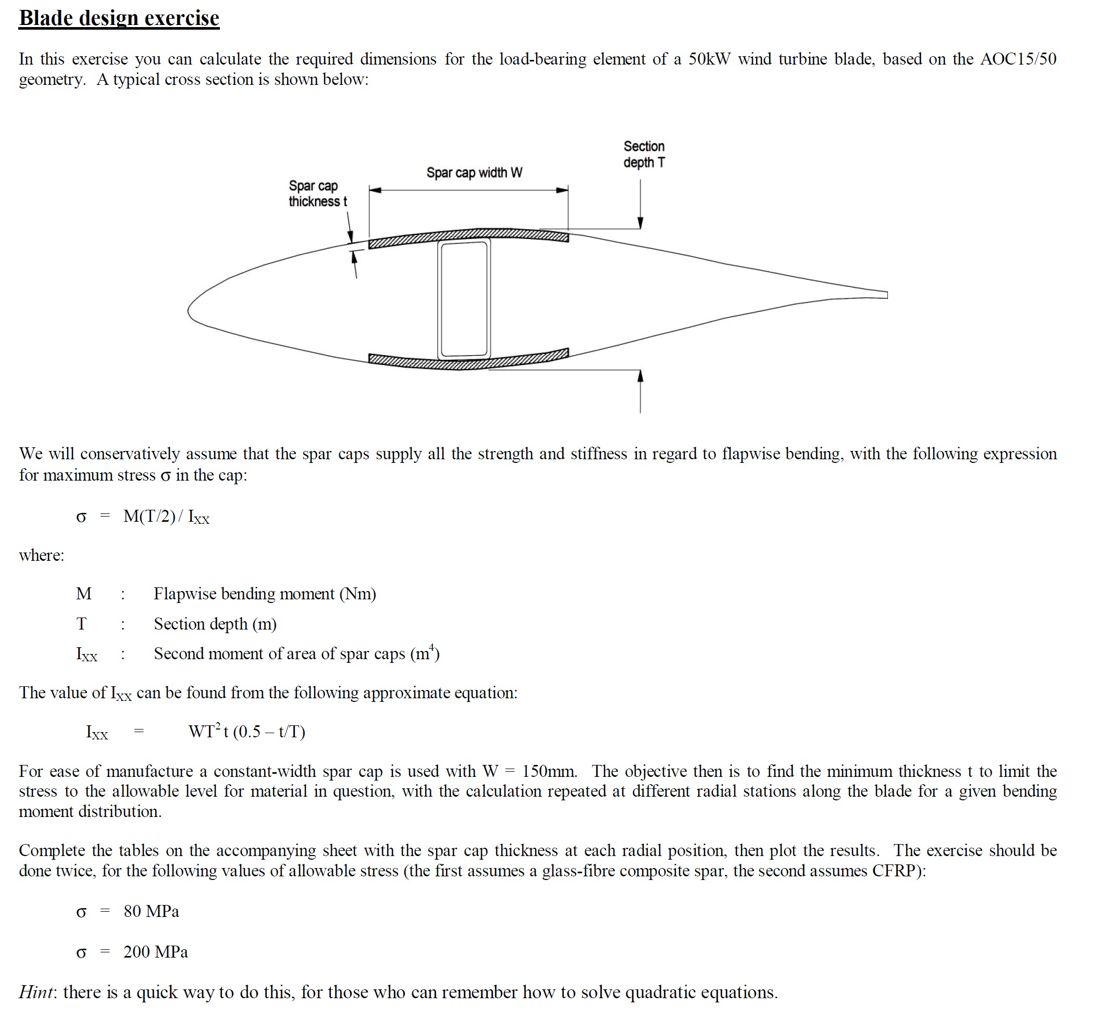
composite material in the spar
material | E(Young's modulus) |  | V(percentage） | ρ（density） |  | unit price
Glass-epoxy (UD*), Vf = 0.5 | 38 | GPa | 0.67 | 1840 | kg/m³ | 1.87 | $/kg
Carbon fibre-epoxy (UD), Vf = 0.6 | 130 | GPa | 0.33 | 1500 | kg/m³ | 30 | $/kg
net tensile modulus | 68.67 | GPa |  | 1726.6666667 | kg/m³ | 11.246666667 | $/kg

GF Mass and Cost estimates |  |  |  |  |  |  | CF Mass and Cost estimates |  |  |  |  |  |  | (2/3GF+1/3CF) Mass and Cost estimates
Station | Spar cap length L | Spar cap width W | Spar cap thickness t | Volume | Spar cap mass |  | Station | Spar cap length L | Spar cap width W | Spar cap thickness t | Volume | Spar cap mass |  | Station | Spar cap length L | Spar cap width W | Spar cap thickness t | Volume | Spar cap mass
 | (m) | (m) | (mm) | (m³) | (kg) |  |  | (m) | (m) | (mm) | (m³) | (kg) |  |  | (m) | (m) | (mm) | (m³) | (kg)
2 | 1.236 | 0.534 | 128.68 | 0.084929171046 | 156.26967472 |  | 2 | 1.236 | 0.534 | 48.83 | 0.032225700755 | 48.338551133 |  | 2 | 1.236 | 0.534 | 83.22 | 0.054925327396 | 94.83773197
3 | 2.473 | 0.534 | 106.25 | 0.14031630478 | 258.1820008 |  | 3 | 2.473 | 0.534 | 40.87 | 0.053971160023 | 80.956740035 |  | 3 | 2.473 | 0.534 | 69.27 | 0.091477879927 | 157.95180601
4 | 6.182 | 0.534 | 88.22 | 0.29122214789 | 535.84875213 |  | 4 | 2.473 | 0.534 | 34.26 | 0.045240687831 | 67.861031746 |  | 4 | 2.473 | 0.534 | 57.83 | 0.076374028459 | 131.87248914
5 | 3.091 | 0.534 | 231.30 | 0.38178502578 | 702.48444744 |  | 5 | 3.091 | 0.534 | 73.33 | 0.1210369199 | 181.55537984 |  | 5 | 3.091 | 0.534 | 132.51 | 0.21872594515 | 377.66679863
6 | 12.983 | 0.534 | 236.34 | 1.6385446418 | 3014.9221409 |  | 6 | 3.710 | 0.534 | 71.14 | 0.14094056171 | 211.41084257 |  | 6 | 3.710 | 0.534 | 130.04 | 0.25763401815 | 444.84807134
7 | 3.709 | 0.534 | 193.74 | 0.38371767256 | 706.04051751 |  | 7 | 3.709 | 0.534 | 61.65 | 0.12211111137 | 183.16666705 |  | 7 | 3.709 | 0.534 | 111.31 | 0.22046127027 | 380.66312667
8 | 20.401 | 0.534 | 252.30 | 2.7486296051 | 5057.4784735 |  | 8 | 3.709 | 0.534 | 63.83 | 0.12641480862 | 189.62221292 |  | 8 | 3.709 | 0.534 | 119.27 | 0.23623675184 | 407.90212484
9 | 3.710 | 0.534 | #NUM! | #NUM! | #NUM! |  | 9 | 3.710 | 0.534 | 68.07 | 0.13485670874 | 202.28506311 |  | 9 | 3.710 | 0.534 | 139.12 | 0.27561902739 | 475.90218729
10 | 27.820 | 0.534 | #NUM! | #NUM! | #NUM! |  | 10 | 3.709 | 0.534 | 55.13 | 0.10919417284 | 163.79125926 |  | 10 | 3.709 | 0.534 | 106.89 | 0.21170585245 | 365.54543856
11 | 3.709 | 0.534 | #NUM! | #NUM! | #NUM! |  | 11 | 3.709 | 0.534 | 54.36 | 0.10766944213 | 161.50416319 |  | 11 | 3.709 | 0.534 | 116.83 | 0.23138985424 | 399.53314832
12 | 35.239 | 0.534 | #NUM! | #NUM! | #NUM! |  | 12 | 3.710 | 0.534 | 39.52 | 0.078301050206 | 117.45157531 |  | 12 | 3.710 | 0.534 | 76.25 | 0.15106665868 | 260.84176398
13 | 3.709 | 0.534 | #NUM! | #NUM! | #NUM! |  | 13 | 3.709 | 0.534 | 32.88 | 0.065120524522 | 97.680786783 |  | 13 | 3.709 | 0.534 | 64.34 | 0.12742490846 | 220.02034194
14 | 42.657 | 0.534 | 62.65 | 1.4270134228 | 2625.7046979 |  | 14 | 3.709 | 0.534 | 19.83 | 0.039278611158 | 58.917916737 |  | 14 | 3.709 | 0.534 | 35.85 | 0.071005853751 | 122.60344081
15 | 3.710 | 0.534 | 27.33 | 0.054142655181 | 99.622485534 |  | 15 | 3.710 | 0.534 | 9.96 | 0.019728427283 | 29.592640924 |  | 15 | 3.710 | 0.534 | 17.24 | 0.034155880688 | 58.975820655
16 | 49.458 | 0.534 | 10.57 | 0.27916211199 | 513.65828606 |  | 16 | 3.091 | 0.534 | 4.08 | 0.0067333366824 | 10.100005024 |  | 16 | 3.091 | 0.534 | 6.90 | 0.011396688443 | 19.678282045
17 | 2.473 | 0.534 | 3.14 | 0.0041435844321 | 7.6241953551 |  | 17 | 2.473 | 0.534 | 1.24 | 0.0016387865503 | 2.4581798254 |  | 17 | 2.473 | 0.534 | 2.08 | 0.0027449491645 | 4.7396122241
18 | 54.404 | 0.534 | 0.22 | 0.0065242676172 | 12.004652416 |  | 18 | 2.473 | 0.534 | 0.09 | 0.00011848887205 | 0.17773330808 |  | 18 | 2.473 | 0.534 | 0.15 | 0.00019758393964 | 0.34116160244
19 | 1.236 | 0.534 | 0.00 | 8.6174390311E-10 | 1.5856087817E-06 |  | 19 | 1.236 | 0.534 | 0.00 | 3.4469755696E-10 | 5.1704633543E-07 |  | 19 | 1.236 | 0.534 | 0.00 | 5.7449593541E-10 | 9.919629818E-07
 |  |  |  | total mass | #NUM! | kg |  |  |  |  | total mass | 3613.7414986 | kg |  |  |  |  | total mass | 7847.846694 | kg
(1$=0.8£, 13/4/2023 UTC 16:53) |  |  |  | unit price | 1.87 | $/kg |  |  |  |  | unit price | 30 | $/kg |  |  |  |  | unit price | 11.246666667 | $/kg
 |  |  |  | cost | #NUM! | $ |  |  |  |  | cost | 108412.24496 | $ |  |  |  |  | cost | 88262.115819 | $
 |  |  |  |  | #NUM! | £ |  |  |  |  |  | 86729.80 | £ |  |  |  |  |  | 70609.69 | £

Cost vs Blade length
 | material cost $ |  | blade cost $ |  | estimation
33.25 | 24,577.65 | 33.25 | 52,146.09 | 55.64 | 0
75 | 73,638.82 | 75 | 154,090.40 | 55.64 | 100000
100 | 327,375.64 | 100 | 547,723.35 | 55.64 | 200000
 |  |  |  | 55.64 | 300000
 |  |  |  | 55.64 | 600000

Reference
blade | length | material cost $ | blade cost $
WindPACT Blade | 33.25 | 24,577.65 | 52,146.09
IEA Wind Task 37 Land-Based Reference Wind Turbine Blade | 75 | 73,638.82 | 154,090.40
SNL-100-03 | 100 | 327,375.64 | 547,723.35

Tower design
Tubular Tower Part Info |  |  | Tower Material |  |  | price |  | Price Date | Price in £ |  | cost |  |  | (1¥=0.12£ 13/4/2023 UTC 16:53)
Height | 79.252 | m | Material | Steel |  | 3848 | ¥/t | 21/4/2023 | 461.76 | £/t | 119104.99 | £ | Commodities - Live Quote Price Trading Data (tradingeconomics.com)
Tower mass | 257.937 | t | E | 210 | GPa
 |  |  | Shear modulus | 80.769 | GPa
 |  |  | Density | 8500 | kg/m³
 |  |  | Yield stress | 355 | Mpa
 |  |  | Element Initial length | 4.403 | m

Element | Height(m) | Diameter(m) | Thickness(mm)
1 | 4.403 | 5.375 | 31
2 | 8.806 | 5.268 | 31
3 | 13.209 | 5.161 | 30
4 | 17.612 | 5.054 | 30
5 | 22.015 | 4.946 | 29
6 | 26.418 | 4.839 | 29
7 | 30.821 | 4.732 | 28
8 | 35.224 | 4.625 | 28
9 | 39.627 | 4.518 | 27
10 | 44.03 | 4.411 | 27
11 | 48.433 | 4.304 | 26
12 | 52.836 | 4.197 | 26
13 | 57.239 | 4.09 | 25
14 | 61.642 | 3.983 | 25
15 | 66.045 | 3.876 | 24
16 | 70.448 | 3.769 | 24
17 | 74.851 | 3.662 | 23
18 | 79.254 | 3.555 | 23

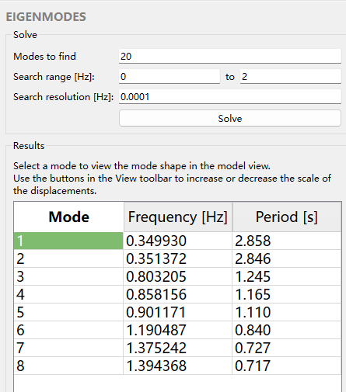
Rotational speed | n | 13.07 | rpm |  |  |  |  |  | Tower Resonance
Rotational speed |  | 0.218 | rotations / second |  |  |  |  |  | 1P (rpm) | 1P (Hz) | 2P (Hz) | 3P (Hz) | Natural frequency 1 | Natural frequency 2 | Natural frequency 3
1P multiplier | 1P | 1 |  |  |  |  |  |  | 1 | 0.0167 | 0.0333 | 0.050 | 0.34993 | 0.351372 | 0.803205
1P excitation frequency | f_1P | 0.218 | Hz |  |  |  |  |  | 2 | 0.0333 | 0.0667 | 0.100 | 0.34993 | 0.351372 | 0.803205
2P multiplier | 2P | 2 |  |  |  |  |  |  | 3 | 0.0500 | 0.1000 | 0.150 | 0.34993 | 0.351372 | 0.803205
2P excitation frequency | f_2P | 0.436 | Hz |  |  |  |  |  | 4 | 0.0667 | 0.1333 | 0.200 | 0.34993 | 0.351372 | 0.803205
3P multiplier | 3P | 3 |  |  |  |  |  |  | 5 | 0.0833 | 0.1667 | 0.250 | 0.34993 | 0.351372 | 0.803205
3P excitation frequency | f_3P | 0.65339304019 | Hz |  |  |  |  |  | 6 | 0.1000 | 0.2000 | 0.300 | 0.34993 | 0.351372 | 0.803205
 |  |  |  |  |  |  |  |  | 7 | 0.1167 | 0.2333 | 0.350 | 0.34993 | 0.351372 | 0.803205
where |  |  |  |  |  |  |  |  | 8 | 0.1333 | 0.2667 | 0.400 | 0.34993 | 0.351372 | 0.803205
Blade flapwise vibration natural frequency | f_n | 0.34993 | Hz |  |  |  |  |  | 9 | 0.1500 | 0.3000 | 0.450 | 0.34993 | 0.351372 | 0.803205
Frequency ratio, 1P | r_1P | 0.622 | - |  |  |  |  |  | 10 | 0.1667 | 0.3333 | 0.500 | 0.34993 | 0.351372 | 0.803205
Frequency ratio, 2P | r_2P | 1.245 | - |  |  |  |  |  | 11 | 0.1833 | 0.3667 | 0.550 | 0.34993 | 0.351372 | 0.803205
Frequency ratio, 3P | r_3P | 1.867 | - |  |  |  |  |  | 12 | 0.2000 | 0.4000 | 0.600 | 0.34993 | 0.351372 | 0.803205
 |  |  |  |  |  |  |  |  | 13.07 | 0.2178 | 0.4356 | 0.653 | 0.34993 | 0.351372 | 0.803205

Tower Resonance
If damping is 0 then |  | No damping | Aerodynamic damping
 |  | ζ=0 | ζ=0.15
 |  |  | 0.15
Dynamic magnification factor, 1P | Q_1P | 1.63 | 1.56
Dynamic magnification factor, 2P | Q_2P | -1.82 | 1.51
Dynamic magnification factor, 3P | Q_3P | -0.40 | 0.39

Generator design
 | Direct Drive PMG |  | Comments
Rated power | 4.50E+06 | W | 4.5MW
Gearbox ratio, k | 1 |  | gear ratios 1:1
Generator rotational speed | 13.1 | rpm
Generator rotational speed | 1.37 | rad/s

$$T=σ2πR^{2}L$$
Generator rated torque, T | 3.28E+06 | Nm

$$T=σ2πR^{3}(\frac{L}{R})$$
$$R=\sqrt[3]{\frac{T}{σ2π}(\frac{R}{L})}$$
Generator "radius/axial length" ratio or R/L | 2.00 |  | Assume Kasp=2
Electromagnetic Shear Stress, σ | 4.00E+04 | Pa | Assume 40kPa

Generator radius, R | 2.97 | m
Generator axial length, L | 1.48 | m

Generator cylinder surface area, 2πRL | 27.65 | m2 |  | (1$=0.8£, 1¥=0.12£ 13/4/2023 UTC 16:53)
Generator volume, V | 41.00 | m3 |  | Commodities - Live Quote Price Trading Data (tradingeconomics.com)
 |  |  |  | Parameter | Price |  | Price date | Price in £
Iron mass | 26.5 | ton | Use Surface Area x "Mass/surface area" (from Polinder) | Iron mass price per tons | 116 | USD/tons | 21/4/2023 | 92.8 | £/tons
Copper mass | 6.3 | ton |  | Copper mass price tons | 3.848 | USD/Lbs | 21/4/2023 | 6895.616 | £/tons
Permanent magnet mass | 2.5 | ton |  | Neodymium（Permanent magnet） mass price per tons | 605000 | RMB/tons | 21/4/2023 | 72600 | £/tons

$$Pole pitch= \frac{2πR}{Poles}$$
Pole pitch guess | 0.1 | m | 0.1m pole pitch is similar to Polinder | Cost
Poles guess | 186.39 |  |  | Iron | 2463.4502241 | £
Pole pairs guess | 93.19 |  |  | Copper | 43486.931533 | £
 |  |  |  | Permanent magnet | 181010.08922 | £
Integer pole pairs | 93.00 |  | Pole pairs must be integer, so round to nearest | Total Cost | 226960.47098 | £
Integer poles | 186
Pole pitch | 0.100 | m

Copper loss estimate | 3.68E+04 | w | Estimate based on Surface Area x "loss/surface area"
Iron loss estimate | 21999 | w
Total loss estimate | 5.88E+04 | w

Foundation design
wind speed | thrust
m/s | kN
1 | 8.86523
2 | 30.6805
3 | 63.3409
4 | 96.8557
5 | 142.081
6 | 189.701
7 | 244.372
8 | 303.745
9 | 381.828
10 | 469.663
11 | 552.391
11.78 | 606.707
12 | 551.547
13 | 473.571
14 | 417.466
15 | 384.829
16 | 359.695
17 | 321.301
18 | 291.829
19 | 287.38
20 | 279.647
21 | 272.642
22 | 265.366
23 | 255.839
24 | 237.172
25 | 229.837

Rotor mass | 84.610 | t
Nacelle mass | 177.715 | t
Tower mass | 257.937 | t
Total mass | 520.262 | t |  | weight W of the tower+nacelle+roter | 5103770.22 | N
concrete plinth | 1.5 | m
buried depth | 1.8 | m
hub height | 79.252 | m
density of reinforced concrete | 2500 | kg/m3
density of the soil and rock backfill | 2200 | kg/m3
rotor thrust | 606.707 | kN
overturning moment is Mt | 50084.876264 | kNm | Mt=TH
concrete plinth and the overlying soil Mc | 3750 | B² kg
mass of soil Ms | 3960 | B² kg
The total mass of the base Mb | 7710 | B² kg
gravity g | 9.81 | m/s²
weight W of the foundation | 75635.1 | B² N
weight moment Mw | 37817.6 | B³ Nm | Mw=WB/2 | weight moment Mw' | 37817.55 | B³ ＋ | 2551885.11 | B | Nm
B | 15.838406679 | m | Mw≥3Mt | B | 14.422397303 |  |  |  | m | Mw'≥3Mt

 |  |  |  |  |  |  |  | Calculation process |  | -1.272559166E-05

cost
volume | 245.05075831 | m³
steel bars needed | 40 | t | assumed
cost list
Concrete C40 price | 115 | £/m³ | Ready Mix Concrete Prices for 2023 | Mister Concrete
steel bars | 461.76 | £/t
concrete | 28180.837206 | £
steel bars | 18470.4 | £
total | 46651.237206 | £

Energy Yield
P90 Energy per WT per year (kWh)
"V1" | "V2" | Rayleigh fit at 78.5m | Wind Speed (m) | Power (kW) | P90 Energy (kWh)
0 | 0.5 | 49.270116042 | 0 | 0 | 0
0.5 | 1.5 | 384.31454514 | 1 | 0 | 0
1.5 | 2.5 | 718.509681 | 2 | 0 | 0
2.5 | 3.5 | 963.2008777 | 3 | 41.3979 | 39874.493615
3.5 | 4.5 | 1097.3008988 | 4 | 170.099 | 186649.78559
4.5 | 5.5 | 1120.4254533 | 5 | 343.608 | 384987.14917
5.5 | 6.5 | 1049.9979552 | 6 | 641.894 | 673987.38745
6.5 | 7.5 | 914.61100813 | 7 | 1034.53 | 946192.52624
7.5 | 8.5 | 746.11607328 | 8 | 1556.85 | 1161590.8087
8.5 | 9.5 | 572.81406759 | 9 | 2209.27 | 1265500.9351
9.5 | 10.5 | 415.24319932 | 10 | 3029.67 | 1258049.8637
10.5 | 11.5 | 284.90694897 | 11 | 4039.22 | 1150801.8464
11.5 | 12.5 | 185.3428095 | 12 | 4841.82 | 897396.5219
12.5 | 13.5 | 114.47169914 | 13 | 4909.54 | 562003.38578
13.5 | 14.5 | 67.192229664 | 14 | 4854.33 | 326173.25623
14.5 | 15.5 | 37.514078126 | 15 | 4894.49 | 183612.28025
15.5 | 16.5 | 19.934739127 | 16 | 4846.33 | 96610.324274
16.5 | 17.5 | 10.087937395 | 17 | 4864.93 | 49077.109273
17.5 | 18.5 | 4.8636681648 | 18 | 4981.15 | 24226.660679
18.5 | 19.5 | 2.2348987276 | 19 | 4968.14 | 11103.289764
19.5 | 20.5 | 0.97908779683 | 20 | 4867.98 | 4766.1798132
20.5 | 21.5 | 0.40904645659 | 21 | 4898.2 | 2003.5913537
21.5 | 22.5 | 0.16300905703 | 22 | 4978.85 | 811.59764359
22.5 | 23.5 | 0.061976396424 | 23 | 4932.38 | 305.69113819
23.5 | 24.5 | 0.022484982928 | 24 | 4917.32 | 110.56585625
24.5 | 25.5 | 0.0077853339614 | 25 | 4995.86 | 38.894438524
25.5 | 26.5 | 0.0025729968357
26.5 | 27.5 | 0.00081176577573
27.5 | 28.5 | 0.000244510842
28.5 | 29.5 | 7.0320651547E-05 | energy per WT per year |  | 9225874.1443
29.5 | 30.5 | 1.9311777393E-05 | energy 3 WTs per year |  | 27677622.433

Curves
calculated value
rated power | 4500000 | w | decided
cut wind | 3 | m/s
rated wind | 11.78312 | m/s
cut out | 25 | m/s

Diameter | 113.9964903 | m
radio | 56.998245149 | m
sweatp area | 10206.406056 | m2 | calculated

$$Specific Power=\frac{Power}{Swept Area}$$
max tip speed | 78 | m/s
Specific power | 440.89956595 | w/m2 | calculated

hub height | 79.252
rho | 1.225 | kg/m^3
Cp | 0.488923
Tip speed ratio at rated | 6.6196389411 |  | calculated
Rated rotor speed | 1.3684631833 | rad/s | calculated

calculated value
$$P=\frac{1}{2}c_{P}ρAU^{3}$$
Power vs wind speed curve
wind speed | P in wind | P_max | P_generated | P_generated | Cp | Tip speed ratio | Rotor speed (rad/s) | Rotor speed (rpm) | Torque (kNm)
m/s | W | W | W | kW | % |  | rad/s | rpm | kNm
0 | 0 | 0 | 0 | 0 |  | 0 | 0 | 0 | 0
1 | 0 | 0 | 0 | 0 |  | 0 | 0 | 0 | 0
2 | 0 | 0 | 0 | 0 |  | 0 | 0 | 0 | 0
3 | 168788.44015 | 82524.5505 | 82524.550524 | 82.524550524 | 0.488923 | 6.61964 | 0.348413 | 3.3270969329 | 236.85856602
4 | 400091.1174 | 195613.7494 | 195613.74939 | 195.61374939 | 0.488923 | 6.61964 | 0.464550 | 4.4361292438 | 421.08189515
5 | 781427.96367 | 382058.1043 | 382058.10428 | 382.05810428 | 0.488923 | 6.61964 | 0.580688 | 5.5451615548 | 657.94046118
6 | 1350307.5212 | 660196.4042 | 660196.40419 | 660.19640419 | 0.488923 | 6.61964 | 0.696826 | 6.6541938657 | 947.4342641
7 | 2144238.3323 | 1048367.4381 | 1048367.4381 | 1048.3674381 | 0.488923 | 6.61964 | 0.812963 | 7.7632261767 | 1289.5633039
8 | 3200728.9392 | 1564909.9951 | 1564909.9951 | 1564.9099951 | 0.488923 | 6.61964 | 0.929101 | 8.8722584877 | 1684.3275806
9 | 4557287.8841 | 2228162.8642 | 2228162.8642 | 2228.1628642 | 0.488923 | 6.61964 | 1.045238 | 9.9812907986 | 2131.7270942
10 | 6251423.7093 | 3056464.8342 | 3056464.8342 | 3056.4648342 | 0.488923 | 6.61964 | 1.161376 | 11.09032311 | 2631.7618447
11 | 8320644.9571 | 4068154.6944 | 4068154.6944 | 4068.1546944 | 0.488923 | 6.61964 | 1.277514 | 12.199355421 | 3184.4318321
11.78312 | 10227272.727 | 5000348.8636 | 4500000 | 4500 | 0.44 | 6.61964 | 1.368463 | 13.067860804 | 3288.360297
12 | 10802460.17 | 5281571.2336 | 4500000 | 4500 | 0.41657177433 | 6.50000 | 1.368463 | 13.067860804 | 3288.360297
13 | 13734377.889 | 6715053.2408 | 4500000 | 4500 | 0.32764498227 | 6.00000 | 1.368463 | 13.067860804 | 3288.360297
14 | 17153906.658 | 8386939.5051 | 4500000 | 4500 | 0.26233091328 | 5.57143 | 1.368463 | 13.067860804 | 3288.360297
15 | 21098555.019 | 10315568.8155 | 4500000 | 4500 | 0.21328474846 | 5.20000 | 1.368463 | 13.067860804 | 3288.360297
16 | 25605831.513 | 12519279.9610 | 4500000 | 4500 | 0.17574121729 | 4.87500 | 1.368463 | 13.067860804 | 3288.360297
17 | 30713244.684 | 15016411.7306 | 4500000 | 4500 | 0.14651659394 | 4.58824 | 1.368463 | 13.067860804 | 3288.360297
18 | 36458303.073 | 17825302.9133 | 4500000 | 4500 | 0.12342867387 | 4.33333 | 1.368463 | 13.067860804 | 3288.360297
19 | 42878515.222 | 20964292.2980 | 4500000 | 4500 | 0.1049476638 | 4.10526 | 1.368463 | 13.067860804 | 3288.360297
20 | 50011389.675 | 24451718.6739 | 4500000 | 4500 | 0.089979503255 | 3.90000 | 1.368463 | 13.067860804 | 3288.360297
Torque vs wind speed curve
21 | 57894434.972 | 28305920.8298 | 4500000 | 4500 | 0.077727678009 | 3.71429 | 1.368463 | 13.067860804 | 3288.360297
22 | 66565159.657 | 32545237.5549 | 4500000 | 4500 | 0.067602932573 | 3.54545 | 1.368463 | 13.067860804 | 3288.360297
23 | 76061072.271 | 37188007.6381 | 4500000 | 4500 | 0.059162983976 | 3.39130 | 1.368463 | 13.067860804 | 3288.360297
24 | 86419681.358 | 42252569.8685 | 4500000 | 4500 | 0.052071471791 | 3.25000 | 1.368463 | 13.067860804 | 3288.360297
25 | 97678495.458 | 47757263.0349 | 4500000 | 4500 | 0.046069505666 | 3.12000 | 1.368463 | 13.067860804 | 3288.360297

measured value
Wind Speed | P_generated | Rotational Speed | Rotational speed | Pitch Angle | Torque | Cp | P_max
m/s | kW | rpm | rad/s | ° | kNm |  | kW
0 | 0 | 0 | 0 | 0 | 0
1 | 0 | 0 | 0 | 0 | 0 | 0.00526126
2 | 0 | 0 | 0 | 0 | 0 | 0.0229497
3 | 41.3979 | 7.54029 | 0.78961732233 | 0 | 52.4278 | 0.101738 | 105.276
4 | 170.099 | 7.75829 | 0.81244622895 | 0 | 209.366 | 0.214959 | 221.447
5 | 343.608 | 8.08862 | 0.84703830566 | 0 | 405.659 | 0.355002 | 429.987
6 | 641.894 | 8.52006 | 0.8922185968 | 0 | 719.436 | 0.441228 | 737.025
7 | 1034.53 | 9.03398 | 0.94603617336 | 0 | 1093.55 | 0.479433 | 1122.61
8 | 1556.85 | 9.64992 | 1.0105372593 | 0 | 1540.61 | 0.48889 | 1640.93
rotational speed vs wind speed curve
9 | 2209.27 | 10.7911 | 1.1300413495 | 0 | 1955.03 | 0.483795 | 2313.92
10 | 3029.67 | 11.9864 | 1.2552128728 | 0 | 2413.67 | 0.466262 | 3177.81
11 | 4039.22 | 12.7878 | 1.3391352845 | 0 | 3016.29 | 0.437998 | 4209.25
11.8 | 4831.93 | 12.9622 | 1.3573984098 | 0 | 3559.71 | 0.408025 | 4944.24
12 | 4841.82 | 13.0993 | 1.3717554882 | 1.80852 | 3529.66 | 0.399547 | 5995.66
13 | 4909.54 | 13.1068 | 1.3725408864 | 5.29305 | 3576.98 | 0.352021 | 6095.25
14 | 4854.33 | 13.1141 | 1.3733053406 | 7.66288 | 3534.77 | 0.29626 | 6095.25
15 | 4894.49 | 13.1089 | 1.3727607979 | 9.61111 | 3565.43 | 0.232695 | 6288.04
16 | 4846.33 | 13.0967 | 1.3714832169 | 11.3508 | 3533.63 | 0.160495 | 6324.69
17 | 4864.93 | 13.0838 | 1.370132332 | 12.9207 | 3550.70 | 0.0791532 | 6324.69
18 | 4981.15 | 13.1122 | 1.3731063731 | 14.3909 | 3627.64 |  | 6324.69
19 | 4968.14 | 13.1081 | 1.3726770221 | 15.7901 | 3619.30 |  | 6324.69
20 | 4867.98 | 13.0798 | 1.369713453 | 17.1362 | 3554.00 |  | 6612.25
21 | 4898.20 | 13.0759 | 1.369305046 | 18.6906 | 3577.14 |  | 6612.25
22 | 4978.85 | 13.0811 | 1.3698495887 | 19.6066 | 3634.58 |  | 6652.15
23 | 4932.38 | 13.0744 | 1.3691479663 | 20.7945 | 3602.51 |  | 6749.92
24 | 4917.32 | 13.0702 | 1.3687081434 | 21.9005 | 3592.68 |  | 6792.80
25 | 4995.86 | 13.0848 | 1.3702370518 | 23.0237 | 3645.99 |  | 6801.38
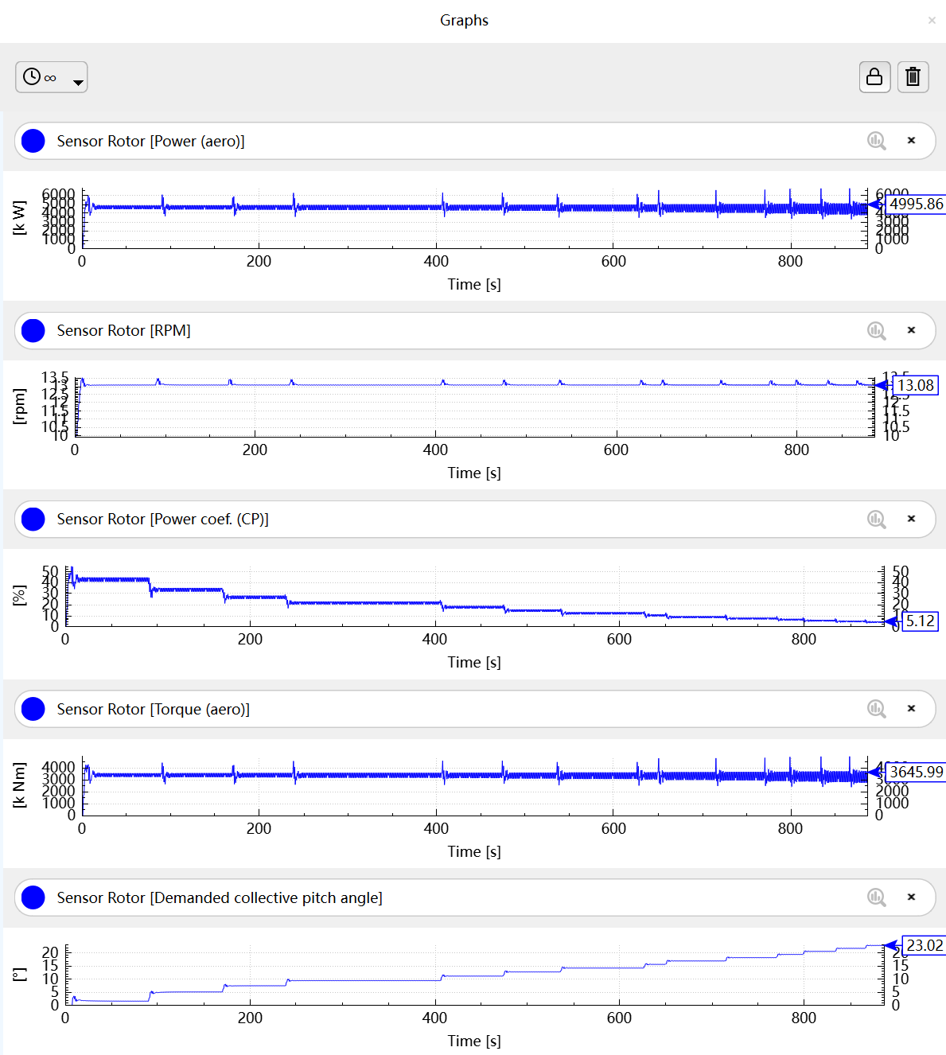

Blade Pitch Angle vs wind speed curve

Torque vs ratational speed curve

Power coefficient vs tip speed ratio curve
0
0
0
6.6196389411 | 0.488923
6.6196389411 | 0.488923
6.6196389411 | 0.488923
6.6196389411 | 0.488923
6.6196389411 | 0.488923
6.6196389411 | 0.488923
6.6196389411 | 0.488923
6.6196389411 | 0.488923
6.6196389411 | 0.488923
6.6196389411 | 0.44
6.5 | 0.41657177433
6 | 0.32764498227
5.5714285714 | 0.26233091328
5.2 | 0.21328474846
4.875 | 0.17574121729
4.5882352941 | 0.14651659394
4.3333333333 | 0.12342867387
4.1052631579 | 0.1049476638
3.9 | 0.089979503255
3.7142857143 | 0.077727678009
3.5454545455 | 0.067602932573
3.3913043478 | 0.059162983976
3.25 | 0.052071471791
3.12 | 0.046069505666

Cost
WT P_r | 4500 | kW
Averaged CapEx | 1501 | $/kW

Parameter | Value | Cost | Cost |  | 2021 Cost of Wind Energy Review (nrel.gov)
 | $/kW | $ | £
Wind Turbine CapEx | 1030 | 1546030 | 1236824
Rotor | 313 | 469813 | 375850.4
Nacelle | 512 | 768512 | 614809.6
Tower | 204 | 306204 | 244963.2
Bos CapEx | 322 | 483322 | 386657.6
Engineering | 23 | 34523 | 27618.4
Project Management | 10 | 15010 | 12008
Foundation | 75 | 112575 | 90060
Site access, staing, facilities | 40 | 60040 | 48032
Assembly and installation | 41 | 61541 | 49232.8
Electrical infrastructure | 132 | 198132 | 158505.6
Financial CapEx | 113 | 169613 | 135690.4
Construction finance | 23 | 34523 | 27618.4
Contingency | 90 | 135090 | 108072
Total CapEx | 1501 | 2253001 | 1802400.8
 |  | (1$=0.8£, 13/4/2023 UTC 16:53)

Annual cost (fixed)
Insurance and taxes | 38000.00 | £ | tutorial
Electrical O&M | 3000.00 | £ | tutorial
Management | 8000.00 | £ | tutorial
Annual costs (variable) |  |  | tutorial
Availability warranty | 13.5705 | £/MWh | scale 15 to factor of 0.9047
Estimated OpEx | 32 | £/kW-yr
Estimated Total OpEx | 144000 | £/yr

Assuming a 20-year lifetime
life time | 20 | year
discount rate | 1.3 | % | https://www.gov.uk/government/publications/dhsc-group-accounting-manual-2021-to-2022/department-of-health-and-social-care-group-accounting-manual-2021-to-2022-additional-guidance-version-1#:~:text=Post%2Demployment%20benefits%20provisions,of%20CPI%20measured%20at%202.90%25.
Annual energy yield | 9225.87 | MWh
Total capital costs C | 1802400.80 | £
Total fixed costs | 49000.00 | £
$$S_{n}=1+\frac{1}{r}[1−{\left(1+r\right)}^{1−n}]$$
Annual cost per unit output O | 18.88 | £/MWh
$$LCoE=\frac{C}{S_{n}E}+O$$
Discounting factor S_n | 17.74
LCoE | 29.89 | £/MWh

 |  |  |  |  |  | How much does a wind turbine cost ? - Renewables First

Maximum Power Output (kW) | Typical Turbine Type | Project Cost |  | actual cost around
100 | Norvento nED100 | 405 | k£ | 279450 | £
800 | Enercon E53 | 1030 | k£ | 710700 | £
1000 | EWT DW61 | 1250 | k£ | 862500 | £
3000 | Enercon E82 | 2330 | k£ | 1607700 | £
3500 | Enercon E126 EP3 | 3130 | k£ | 2159700 | £
estimate for 4500 |  |  |  | 2535728 | £

kW vs £ Cost

cp-lambda data from Ashes
TSR | Cp | Ct
1 | 0.00526126 | 0.0789094 | cp_max | 0.488923
1.1 | 0.00597035 | 0.0817105 | lambda_optimal | 8.1
1.2 | 0.00672321 | 0.0846618
1.3 | 0.00752972 | 0.0877364
1.4 | 0.00843129 | 0.0909972
1.5 | 0.00954849 | 0.0945753
1.6 | 0.0110414 | 0.0986347
1.7 | 0.0130602 | 0.103329
1.8 | 0.0156988 | 0.108776
1.9 | 0.018999 | 0.115032
2 | 0.0229497 | 0.122064
2.1 | 0.0276271 | 0.129951
2.2 | 0.0331291 | 0.138724
2.3 | 0.0395623 | 0.148442
2.4 | 0.0468818 | 0.158989
2.5 | 0.0548891 | 0.170135
2.6 | 0.0635453 | 0.18178
2.7 | 0.0726293 | 0.193677
2.8 | 0.08209 | 0.205761
2.9 | 0.0918266 | 0.21795
3 | 0.101738 | 0.230165
3.1 | 0.111862 | 0.242455
3.2 | 0.122112 | 0.254756
3.3 | 0.132562 | 0.267154
3.4 | 0.143378 | 0.279848
3.5 | 0.15459 | 0.292798
3.6 | 0.166144 | 0.30595
3.7 | 0.177934 | 0.319161
3.8 | 0.189958 | 0.332393
3.9 | 0.202268 | 0.345698
4 | 0.214959 | 0.359154
4.1 | 0.227992 | 0.372627
4.2 | 0.241485 | 0.386252
4.3 | 0.255254 | 0.399898
4.4 | 0.269375 | 0.413702
4.5 | 0.283765 | 0.427731
4.6 | 0.298071 | 0.441881
4.7 | 0.31237 | 0.456695
4.8 | 0.326125 | 0.472236
4.9 | 0.340297 | 0.489668
5 | 0.355002 | 0.508922
5.1 | 0.368874 | 0.528011
5.2 | 0.382328 | 0.546911
5.3 | 0.393641 | 0.563545
5.4 | 0.403897 | 0.579211
5.5 | 0.411888 | 0.592679
5.6 | 0.41884 | 0.605157
5.7 | 0.424997 | 0.616992
5.8 | 0.430666 | 0.628403
5.9 | 0.436082 | 0.63953
6 | 0.441228 | 0.650348
6.1 | 0.446055 | 0.660818
6.2 | 0.450622 | 0.670992
6.3 | 0.45491 | 0.680894
6.4 | 0.458941 | 0.690415
6.5 | 0.462842 | 0.699613
6.6 | 0.466581 | 0.708398
6.7 | 0.470149 | 0.717002
6.8 | 0.473522 | 0.725455
6.9 | 0.476657 | 0.733765
7 | 0.479433 | 0.741848
7.1 | 0.481646 | 0.749504
7.2 | 0.483265 | 0.756788
7.3 | 0.484536 | 0.763792
7.4 | 0.485627 | 0.770666
7.5 | 0.486532 | 0.77739
7.6 | 0.487299 | 0.78396
7.7 | 0.487897 | 0.790329
7.8 | 0.488366 | 0.796547
7.9 | 0.48869 | 0.802683
8 | 0.48889 | 0.808763
8.1 | 0.488923 | 0.814736
8.2 | 0.488825 | 0.82064
8.3 | 0.488634 | 0.826503
8.4 | 0.488323 | 0.832304
8.5 | 0.487892 | 0.838037
8.6 | 0.487333 | 0.843702
8.7 | 0.486646 | 0.84929
8.8 | 0.485828 | 0.854797
8.9 | 0.484878 | 0.860222
9 | 0.483795 | 0.86557
9.1 | 0.482583 | 0.870854
9.2 | 0.481241 | 0.876069
9.3 | 0.479771 | 0.881225
9.4 | 0.478173 | 0.886326
9.5 | 0.476453 | 0.891379
9.6 | 0.474622 | 0.896378
9.7 | 0.472686 | 0.901328
9.8 | 0.470647 | 0.906224
9.9 | 0.468508 | 0.911061
10 | 0.466262 | 0.915831
10.1 | 0.463916 | 0.920539
10.2 | 0.461464 | 0.925185
10.3 | 0.458902 | 0.929768
10.4 | 0.456233 | 0.934293
10.5 | 0.453456 | 0.938767
10.6 | 0.450576 | 0.943195
10.7 | 0.447587 | 0.947578
10.8 | 0.444492 | 0.951916
10.9 | 0.441294 | 0.956216
11 | 0.437998 | 0.960467
11.1 | 0.434602 | 0.964672
11.2 | 0.431107 | 0.96883
11.3 | 0.427511 | 0.972937
11.4 | 0.423814 | 0.976991
11.5 | 0.420023 | 0.980994
11.6 | 0.416128 | 0.984944
11.7 | 0.412128 | 0.988847
11.8 | 0.408025 | 0.992707
11.9 | 0.403831 | 0.996532
12 | 0.399547 | 1.00032
12.1 | 0.395174 | 1.00408
12.2 | 0.39071 | 1.00781
12.3 | 0.386158 | 1.0115
12.4 | 0.38152 | 1.01517
12.5 | 0.376798 | 1.01881
12.6 | 0.372002 | 1.02242
12.7 | 0.36713 | 1.026
12.8 | 0.362178 | 1.02955
12.9 | 0.357143 | 1.03307
13 | 0.352021 | 1.03657
13.1 | 0.346811 | 1.04004
13.2 | 0.341518 | 1.04348
13.3 | 0.336143 | 1.0469
13.4 | 0.330685 | 1.0503
13.5 | 0.325145 | 1.05367
13.6 | 0.319524 | 1.05702
13.7 | 0.313824 | 1.06036
13.8 | 0.308046 | 1.06369
13.9 | 0.302191 | 1.06699
14 | 0.29626 | 1.07028
14.1 | 0.290253 | 1.07355
14.2 | 0.28417 | 1.07681
14.3 | 0.278011 | 1.08006
14.4 | 0.271775 | 1.0833
14.5 | 0.265464 | 1.08653
14.6 | 0.259078 | 1.08975
14.7 | 0.252615 | 1.09296
14.8 | 0.246056 | 1.09616
14.9 | 0.239415 | 1.09934
15 | 0.232695 | 1.10252
15.1 | 0.225886 | 1.10568
15.2 | 0.218989 | 1.10884
15.3 | 0.211985 | 1.11198
15.4 | 0.204895 | 1.11512
15.5 | 0.197711 | 1.11825
15.6 | 0.190436 | 1.12137
15.7 | 0.183078 | 1.12449
15.8 | 0.175635 | 1.12761
15.9 | 0.168108 | 1.13072
16 | 0.160495 | 1.13382
16.1 | 0.152795 | 1.13692
16.2 | 0.145006 | 1.14001
16.3 | 0.137116 | 1.1431
16.4 | 0.129121 | 1.14619
16.5 | 0.121034 | 1.14926
16.6 | 0.112856 | 1.15234
16.7 | 0.104575 | 1.15541
16.8 | 0.0962009 | 1.15848
16.9 | 0.0877255 | 1.16154
17 | 0.0791532 | 1.16461
17 | 0.0791532 | 1.16461

3MW-DDPMG
 | Direct Drive PMG |  |  | Paper
Rated power | 3.00E+06 | W | Table 1 | IEEE TRANSACTIONS ON ENERGY CONVERSION, VOL. 21, NO. 3, SEPTEMBER 2006 725 Comparison of Direct-Drive and Geared Generator Concepts for Wind Turbines
Rotational speed | 15 | rpm | Table 1 | Digital Object Identifier 10.1109/TEC.2006.875476 | https://ieeexplore.ieee.org/document/1677663 | Polinder et al.
Rotational speed | 1.57 | rad/s

Rated torque, T | 1.91E+06 | Nm

Generator radius, R | 2.5 | m | Table 2
Generator axial length, L | 1.2 | m | Table 2
Generator "radius/axial length" ratio or R/L | 2.1 | -

Electromagnetic Shear Force, F | 7.64E+05 | N
Generator cylinder surface area, 2πRL | 18.8 | m^2
Electromagnetic Shear Stress, σ | 4.05E+04 | Pa

Iron mass | 18.1 | ton | Table 2
Copper mass | 4.3 | ton | Table 2
Permanent magnt mass | 1.7 | ton | Table 2

Iron mass/area | 0.960 | ton/m2
Copper mass/area | 0.228 | ton/m2
Permanent magnet mass/area | 0.090 | ton/m2

Pole pairs | 80 | - | Table 2
Poles | 160 | -

Pole pitch | 0.098 | m
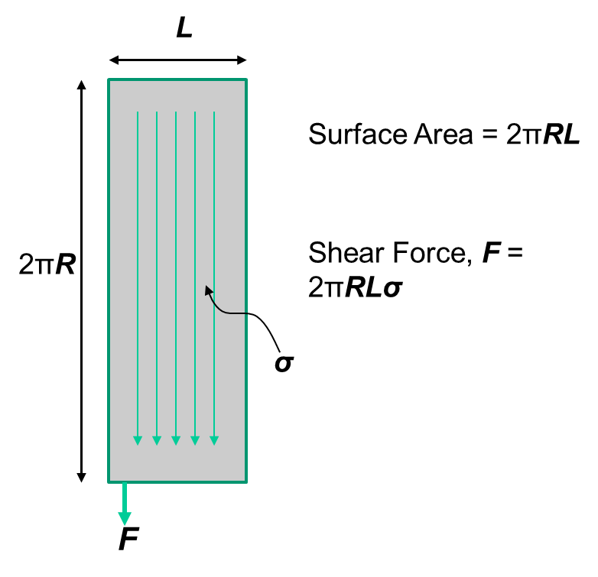
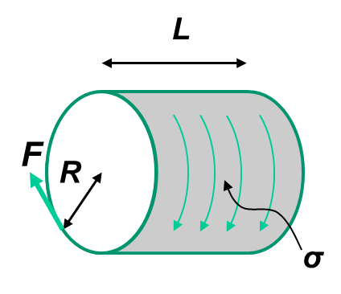

Rated iron losses | 1.50E+04 | W

Rated copper losses | 1.10E+05 | W

Iron losses per area | 795.8 | W/m2
Copper losses per area | 5.84E+03 | W/m2
Losses per area | 6.63E+03 | W/m2

